Strategy Analysis
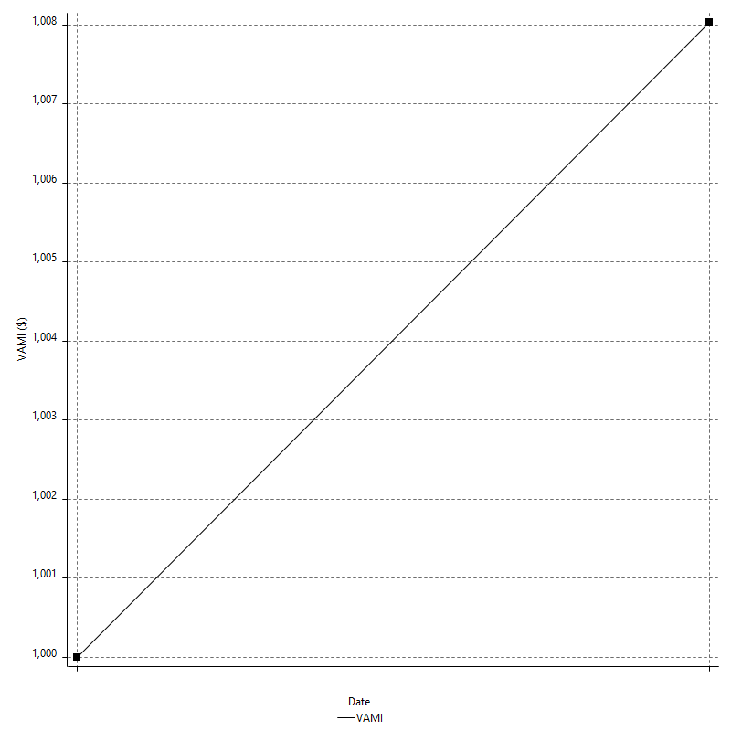
Strategy Performance Summary

 | All Trades | Long Trades | Short Trades
Net Profit | $672.50 | $672.50 | n/a
Gross Profit | $1327.00 | $1327.00 | n/a
Gross Loss | -$654.50 | -$654.50 | n/a
Adjusted Net Profit | $209.65 | $209.65 | n/a
Adjusted Gross Profit | $1131.34 | $1131.34 | n/a
Adjusted Gross Loss | -$921.70 | -$921.70 | n/a
Select Net Profit | $194.50 | $194.50 | n/a
Select Gross Profit | $849.00 | $849.00 | n/a
Select Gross Loss | -$654.50 | -$654.50 | n/a
Account Size Required | $225.00 | $225.00 | n/a
Return on Account | 298.89% | 298.89% | n/a
Return on Initial Capital | 0.67% | 0.67% | n/a
Max Strategy Drawdown | -$358.50 | -$358.50 | n/a
Max Strategy Drawdown (%) | -0.36% | -0.36% | n/a
Max Close To Close Drawdown | -$225.00 | -$225.00 | n/a
Max Close To Close Drawdown (%) | -0.22% | -0.22% | n/a
Return on Max Strategy Drawdown | 1.8758716876 | 1.8758716876 | n/a
Profit Factor | 2.0275019099 | 2.0275019099 | n/a
Adjusted Profit Factor | 1.2274561765 | 1.2274561765 | n/a
Select Profit Factor | 1.2971734148 | 1.2971734148 | n/a
Max # Contracts Held | 3 | 3 | 0
Slippage Paid | $0.00 | $0.00 | $0.00
Commission Paid | $0.00 | $0.00 | n/a
Open Position P/L | n/a | n/a | n/a
Annual Rate of Return | 16.62% | 16.62% | n/a
Monthly Rate of Return | 1.38% | 1.38% | n/a
Buy & Hold Return | -$216.36 | -$216.36 | n/a
Avg Monthly Return | $336.25 | $336.25 | $336.25
Monthly Return StdDev | $660.08 | $660.08 | $660.08
Total # of Trades | 52 | 52 | 0
% Profitable | 88.46% | 88.46% | 0.00%

Performance Ratios

Upside Potential Ratio | n/a
Sharpe Ratio | 0.25798642664
Annualized Sharpe Ratio | 0.89369119721
Sortino Ratio | n/a
Fouse Ratio | n/a
Calmar Ratio | 0.13087292239
Sterling Ratio | 0.0019974562395
RINA Index | 26.879052591
Net Profit as % of Largest loss | 515.33%
Net Profit as % of Max Trade Drawdown | 515.33%
Net Profit as % of Max Strategy Drawdown | 187.59%
Select Net Profit as % of Largest loss | 149.04%
Select Net Profit as % of Max Trade Drawdown | 149.04%
Select Net Profit as % of Max Strategy Drawdown | 54.25%
Adj Net Profit as % of Largest loss | 160.65%
Adj Net Profit as % of Max Trade Drawdown | 160.65%
Adj Net Profit as % of Max Strategy Drawdown | 58.48%

Time Analysis

Trading Period | 14 Dys, 18 Hrs, 44 Mins
Time in the Market | 3 Dys, 21 Hrs, 52 Mins
Percent in the Market | 26.46%
Longest flat period | 2 Dys, 21 Hrs, 6 Mins
Max Run-up Date | 2023-07-24
Max Drawdown Date | 2023-07-18
Max Strategy Drawdown Date | 7/25/23
Max Close To Close Drawdown Date | 7/25/23

Equity Curve Detailed

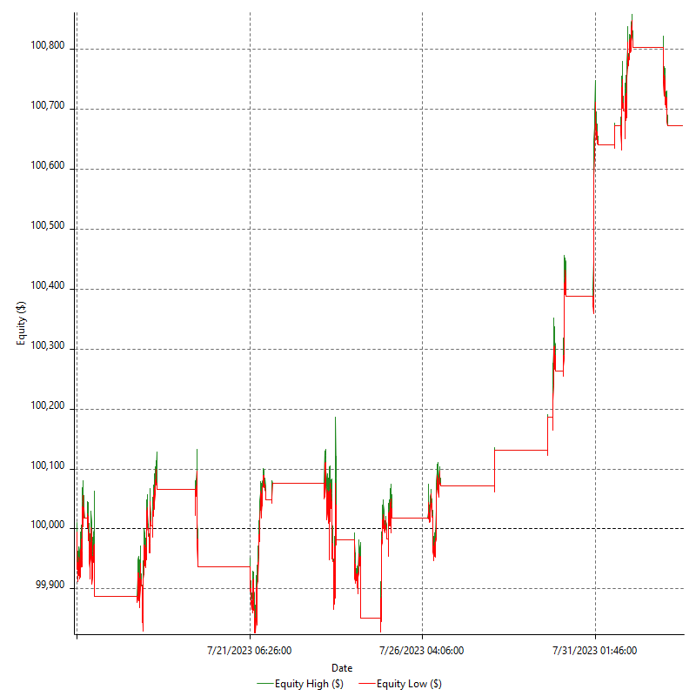

Equity Curve Detailed with DrawDown

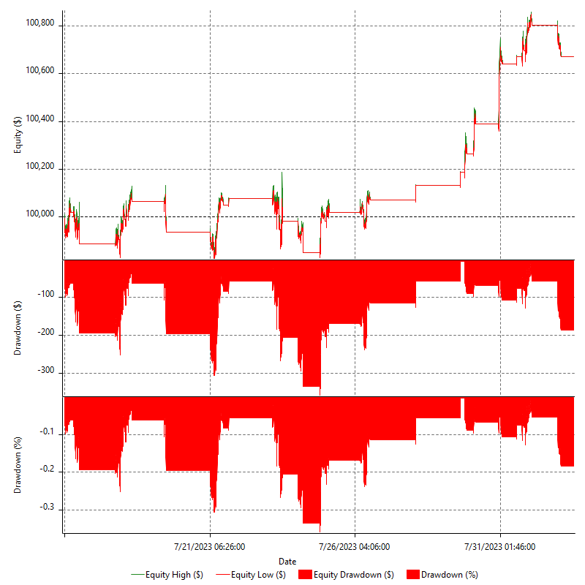

Equity Curve Detailed Long

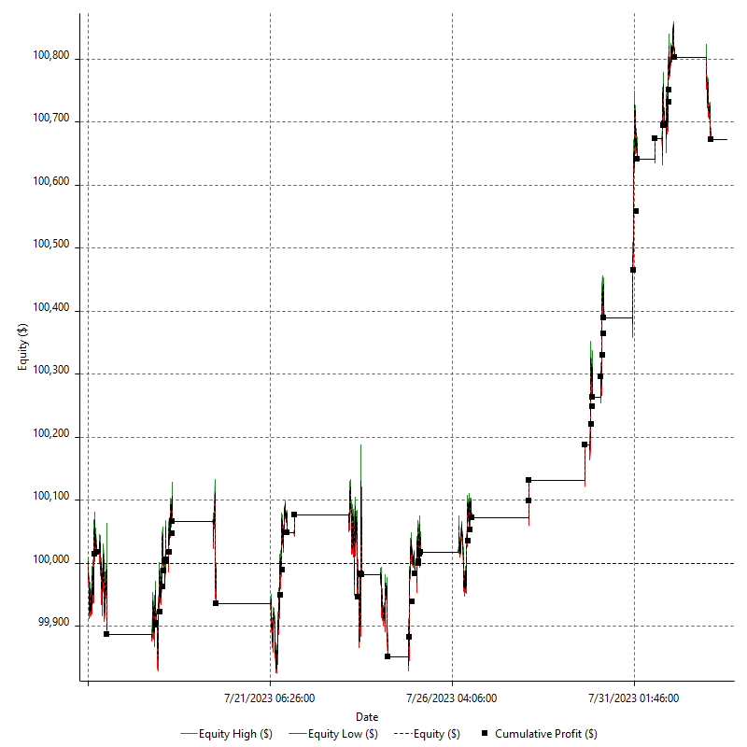

Equity Curve Detailed Short

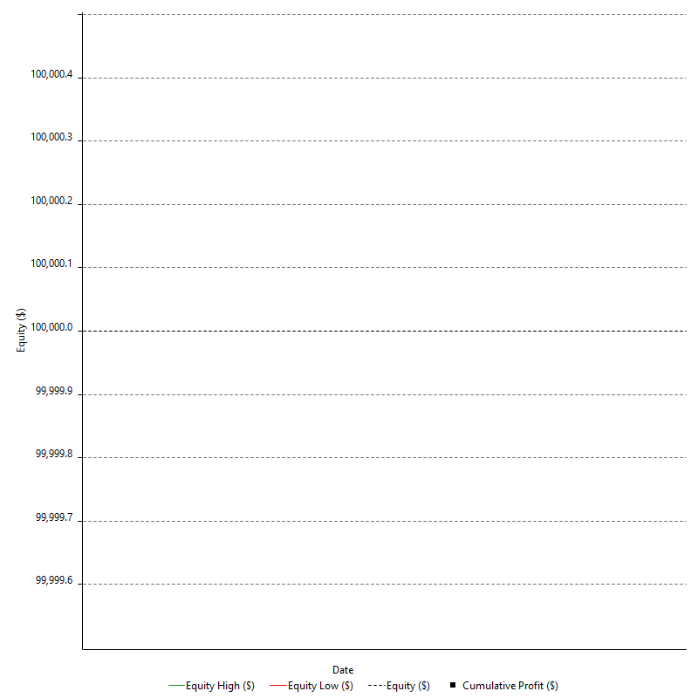

Equity Run-up & Drawdown

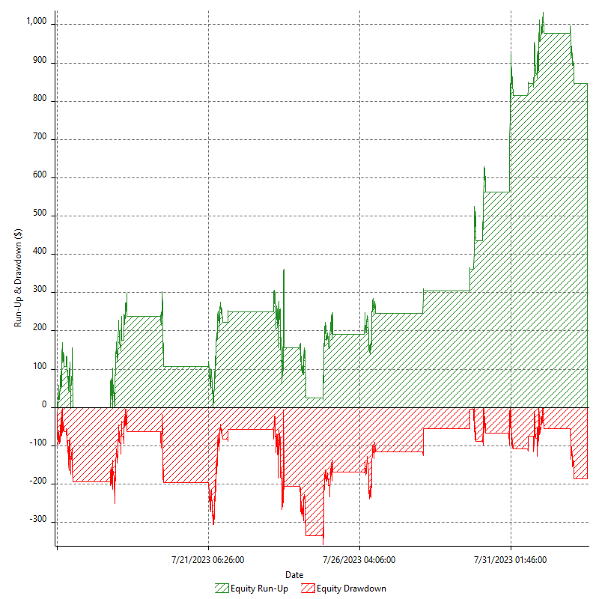

Equity Run-up & Drawdown (%)

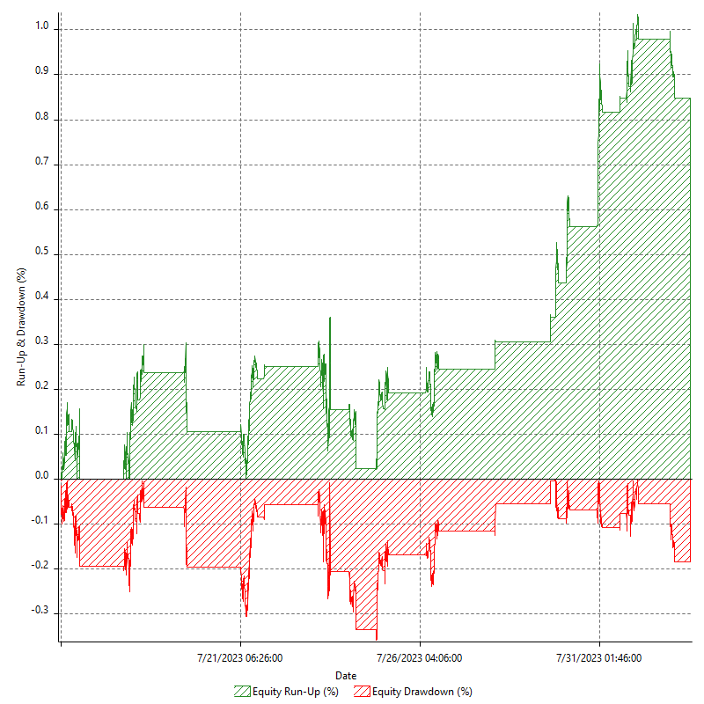

Equity Curve Close To Close

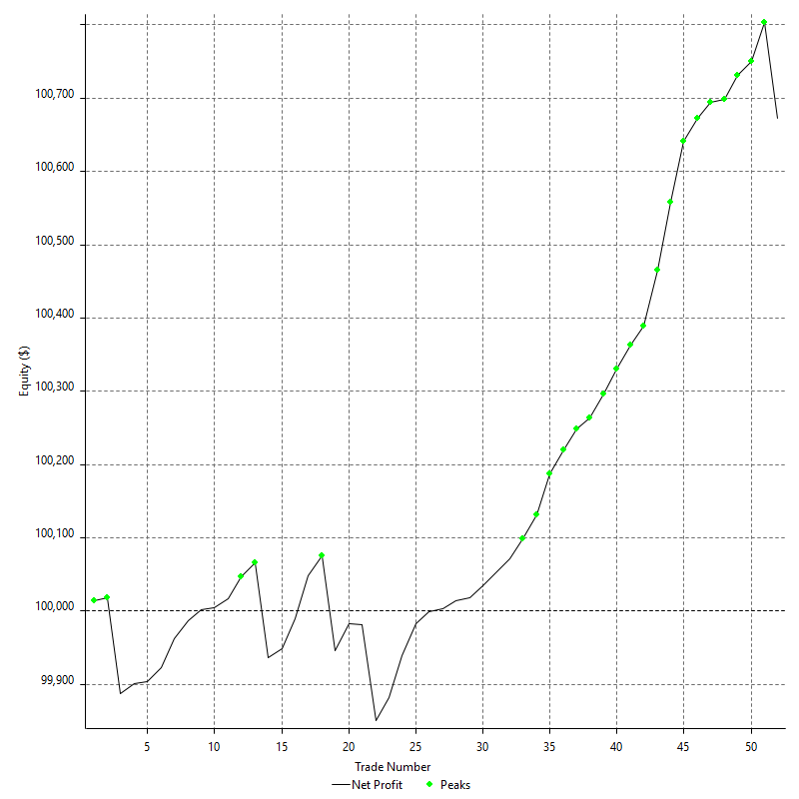

Equity Curve Close To Close With Drawdown

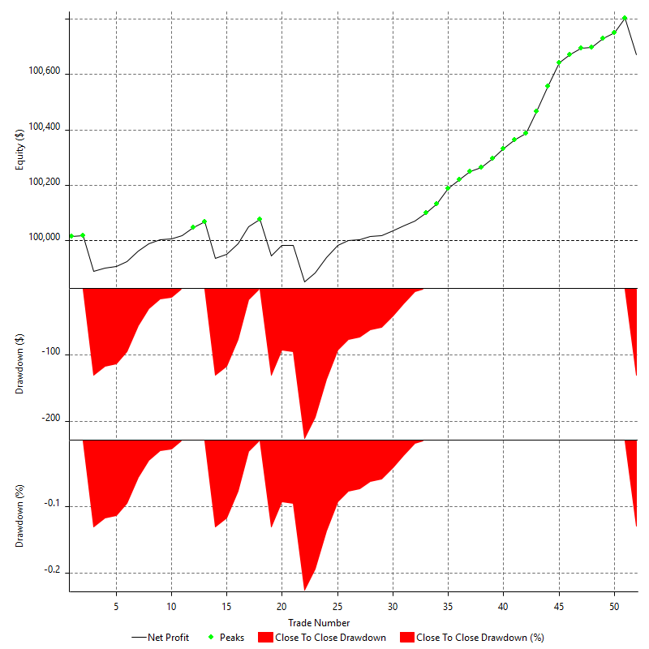

Buy & Hold Return

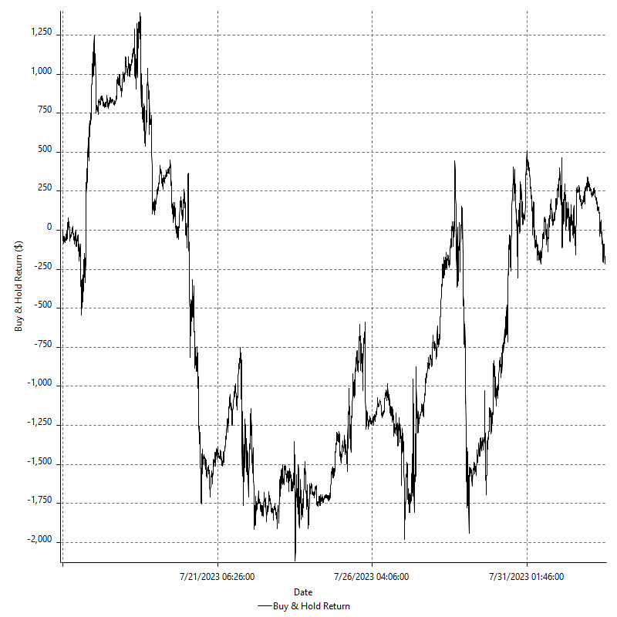

Value Added Monthly Index

Trade Analysis
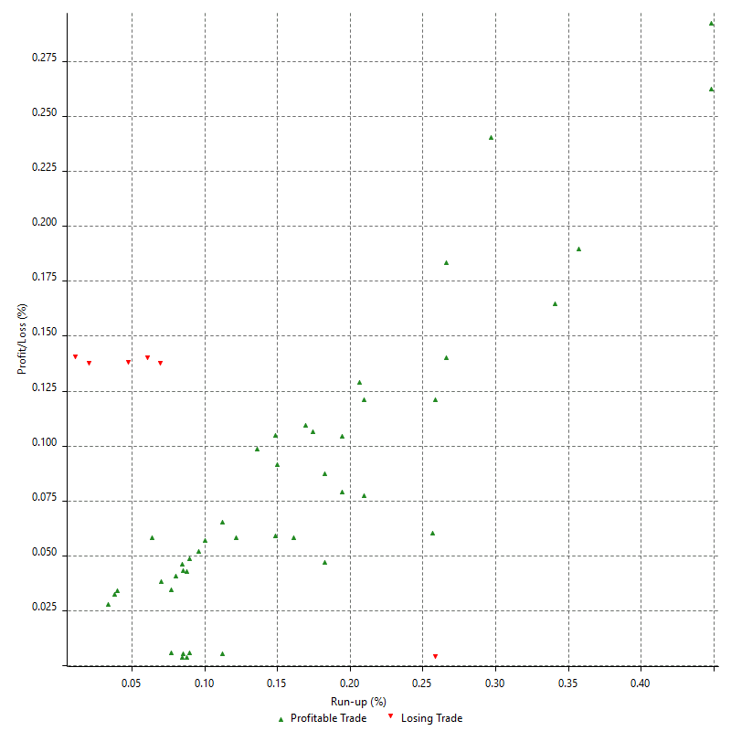
Total Trade Analysis

 | All Trades | Long Trades | Short Trades
Total # of Trades | 52 | 52 | 0
Total # of Open Trades | 0 | 0 | 0
Number Winning Trades | 46 | 46 | 0
Number Losing Trades | 6 | 6 | 0
% Profitable | 88.46% | 88.46% | 0.00%
Avg Trade (win & loss) | $12.93 | $12.93 | n/a
Average Winning Trade | $28.85 | $28.85 | n/a
Average Losing Trade | -$109.08 | -$109.08 | n/a
Ratio Avg Win / Avg Loss | -0.26445677085 | -0.26445677085 | n/a
Largest Winning Trade | $93.00 | $93.00 | n/a
Largest Losing Trade | -$130.50 | -$130.50 | n/a
Avg # Bars in Trades | 47.1 | 47.1 | n/a
Avg # Bars in Winning Trades | 44.9 | 44.9 | n/a
Avg # Bars in Losing Trades | 63.5 | 63.5 | n/a
Avg # Bars Between Trades | n/a | n/a | n/a
Avg # Bars Between Winning Trades | 127.5 | 127.5 | n/a
Avg # Bars Between Losing Trades | 1258.7 | 1258.7 | n/a

Outliers

 | Total | Positive | Negative
1 Std. Deviation of Avg. Trade | $51.30 | $20.82 | $52.46
Avg. Trade +1 Std. Deviation | $64.24 | $49.66 | -$56.62
Avg. Trade - 1 Std. Deviation | -$38.37 | $8.03 | -$161.54
Number of Outliers | 7 | 7 | 0
Outlier Profit/Loss |  | $478.00

Run-up/Drawdown

 | Run-up | Drawdown
Max Value | $161.00 | -$130.50
Max Value Date | 2023-07-24 | 2023-07-18
Avg Value | $56.77 | -$27.35
Max Value (%) | 0.45% | -0.14%
Max Value (%) Date | 2023-07-28 | 2023-07-24
Avg Value (%) | 0.15% | -0.05%
1 Std. Deviation | $31.67 | $35.99
Avg. Trade +1 Std. Deviation | $88.44 | $8.65
Avg. Trade - 1 Std. Deviation | $25.10 | -$63.34

Trade Series Analysis

Z-score | -0.78842164839
Confidence Limits | 0.56955032507
Strategy ME | $12.93
Max Consec. Winners | 29
Max Consec. Losers | 2
Largest Consec. Profit | $952.00
Largest Consec. Loss | -$132.50
Largest Consec. Profit (%) | 0.95%
Largest Consec. Loss (%) | -0.13%

Trade Series Statistics

Consecutive Winners | Number of Series | Avg. Gain per Series | Avg. Loss Next Trade
1 | 1 | $38.00 | -$2.00
2 | 1 | $9.00 | -$130.50
4 | 1 | $35.00 | -$130.50
10 | 1 | $17.90 | -$130.50
29 | 1 | $32.83 | -$130.50
Consecutive Losers | Number of Series | Avg. Loss per Series | Avg. Gain Next Trade
1 | 4 | -$130.50 | $16.25
2 | 1 | -$66.25 | $31.00

Total Trades

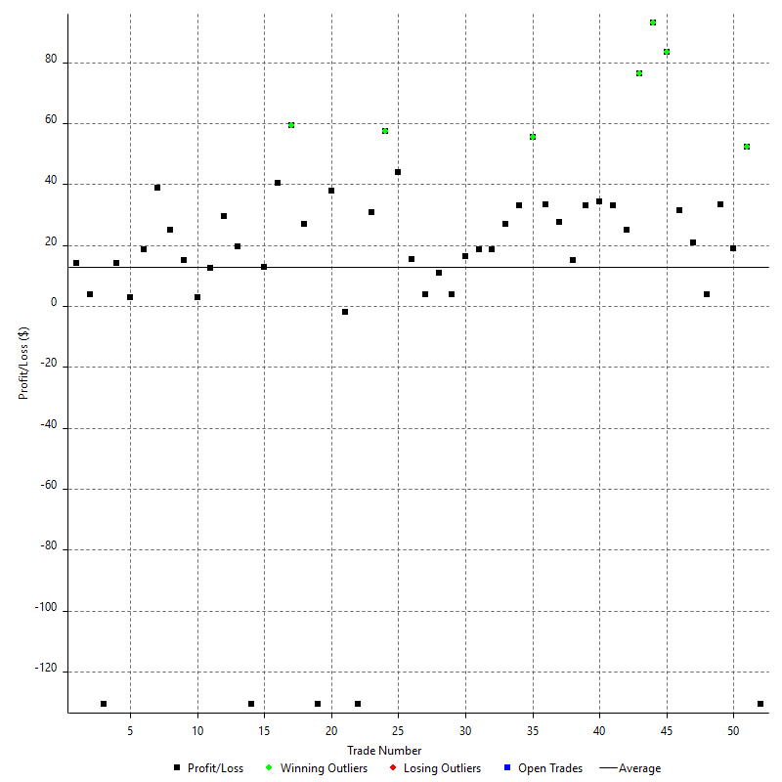

Winning Trades

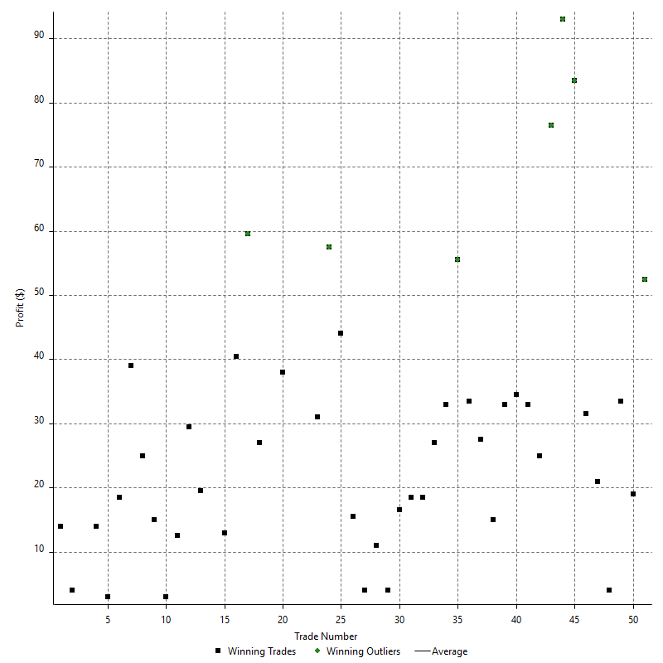

Losing Trades

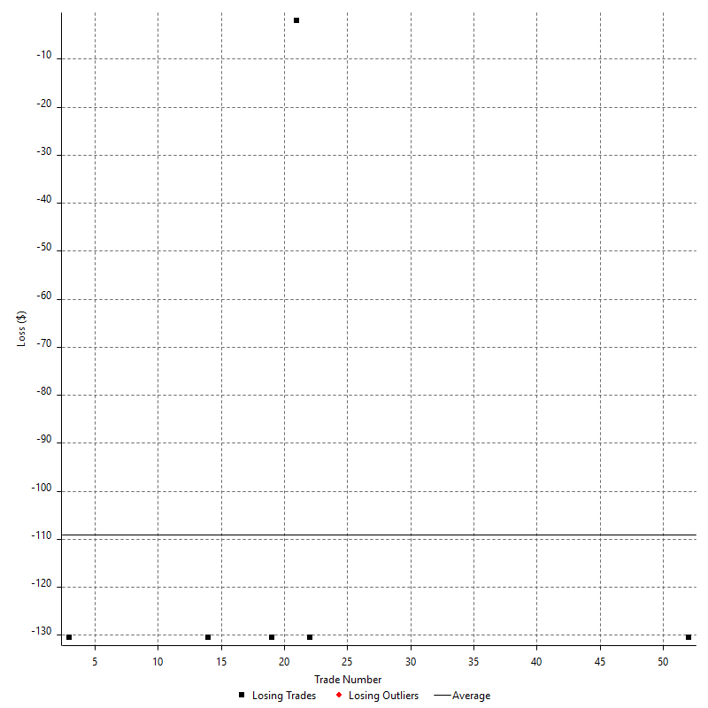

Drawdown

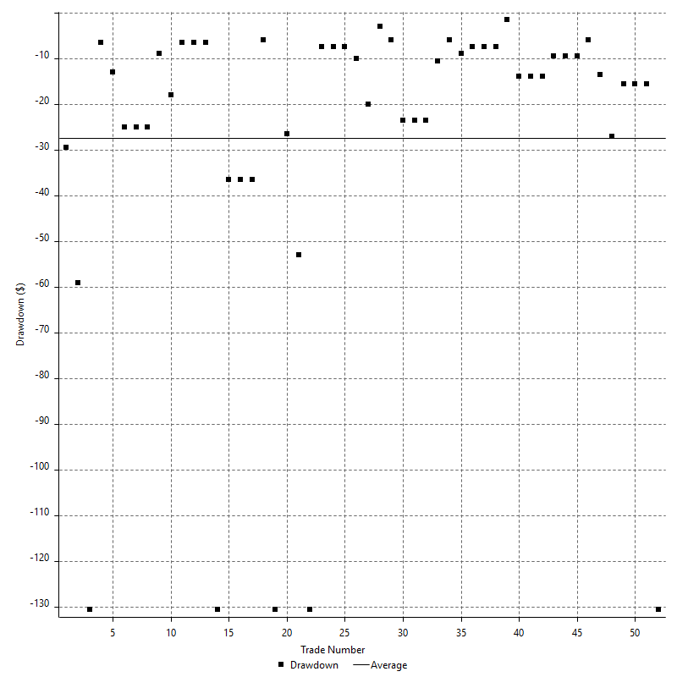

Drawdown P/L

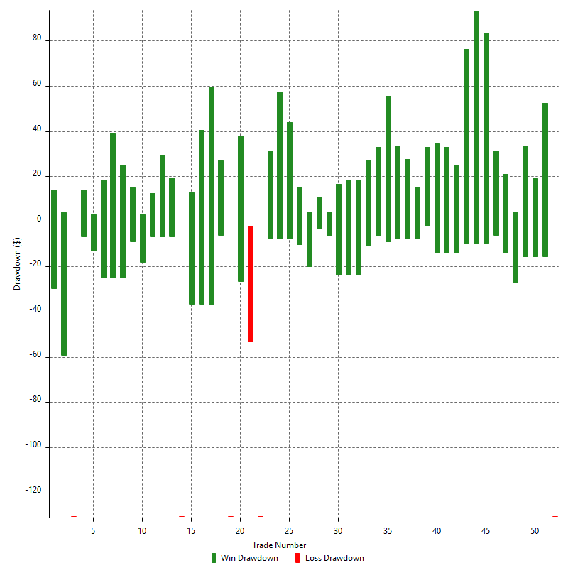

Maximum Adverse Excursion

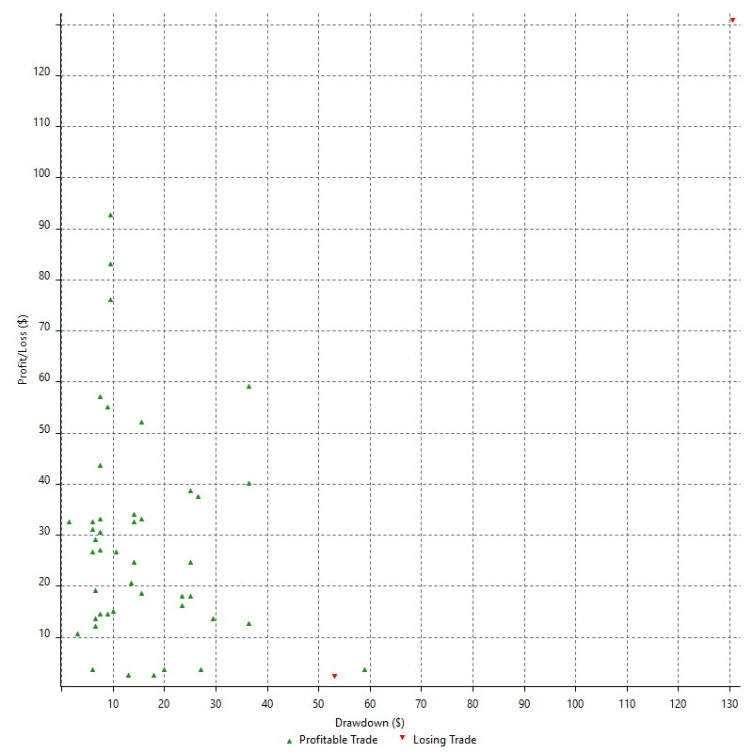

Maximum Adverse Excursion (%)

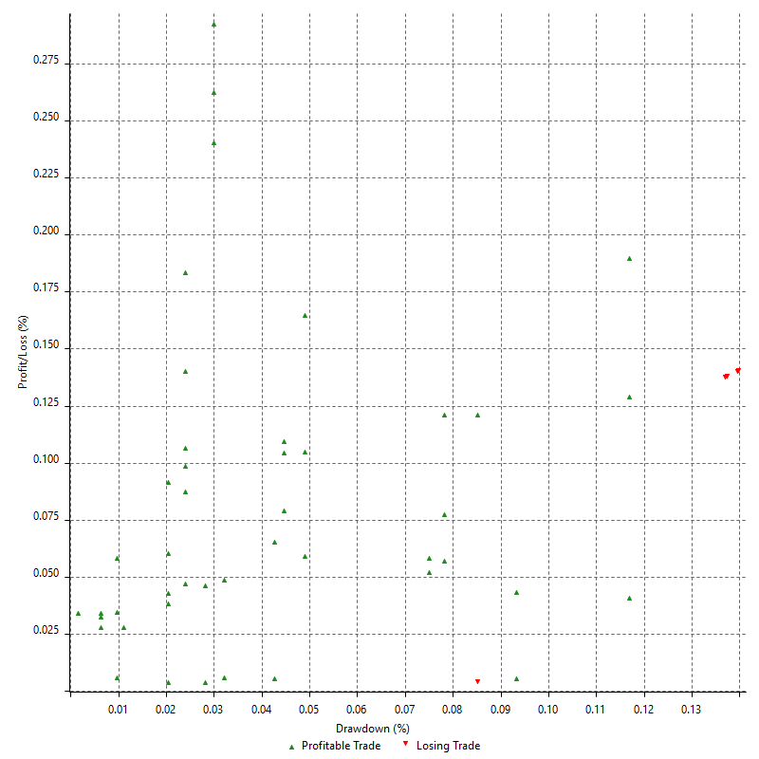

Run-up

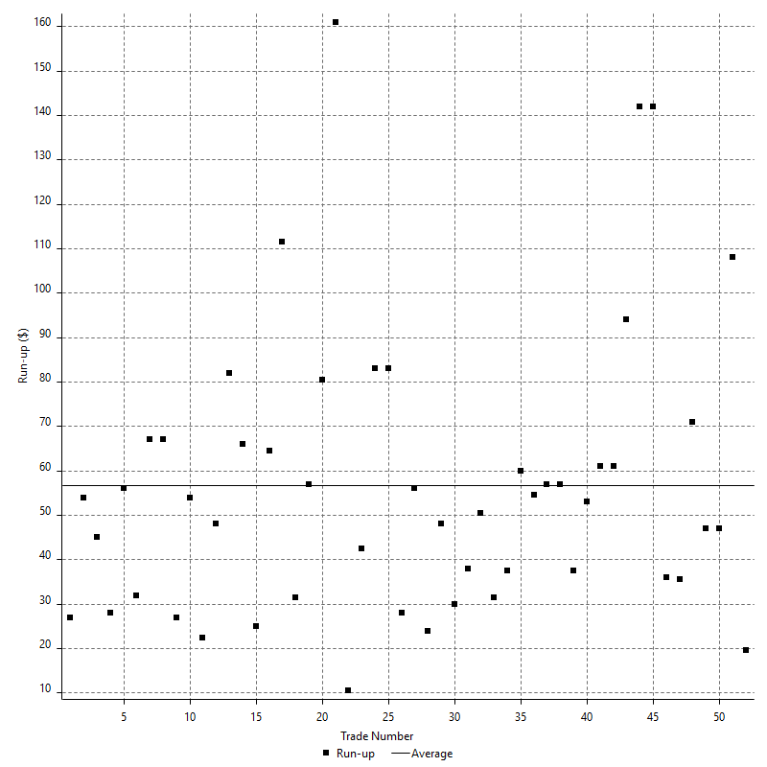

Run-up P/L

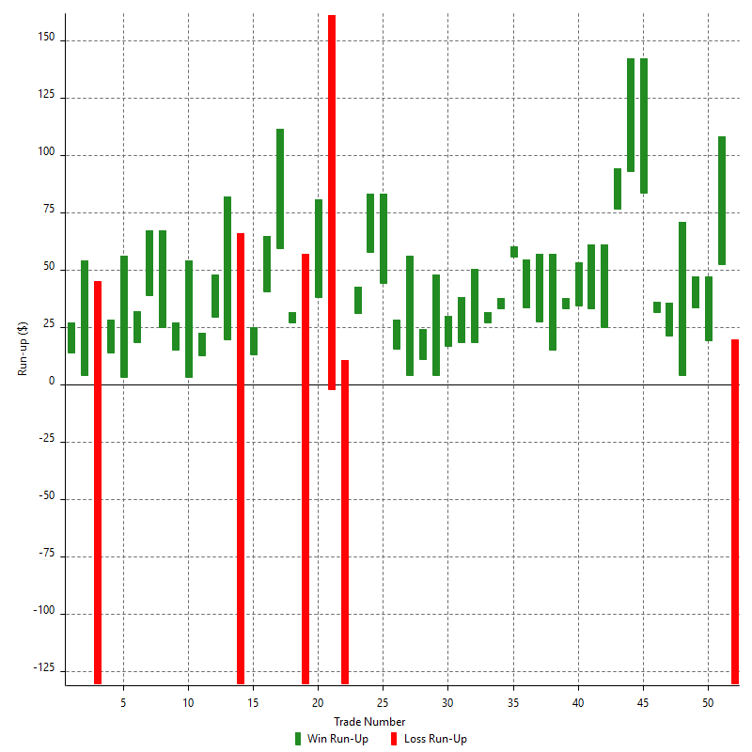

Maximum Favorable Excursion

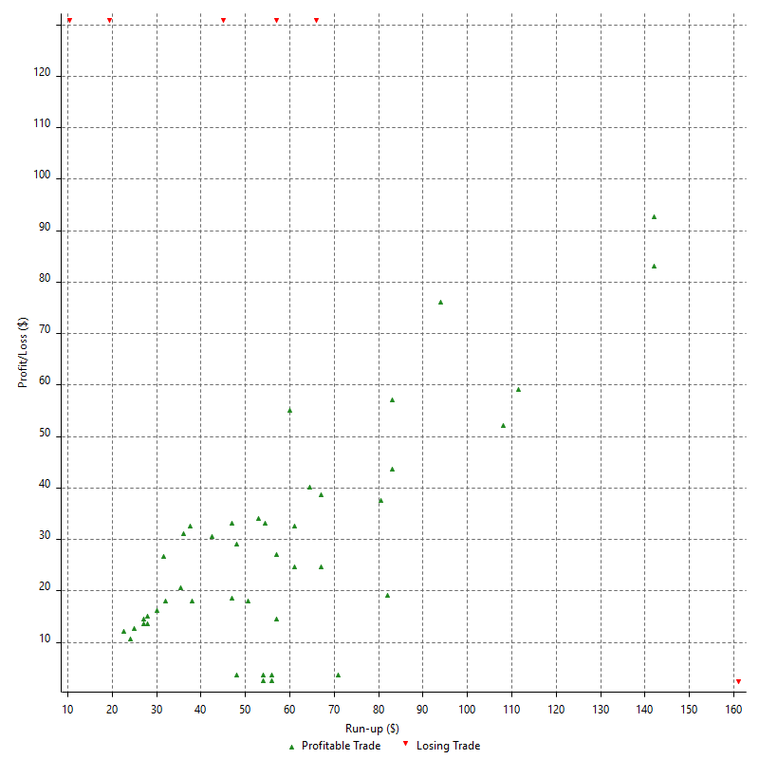

Maximum Favorable Excursion (%)

Periodical Analysis
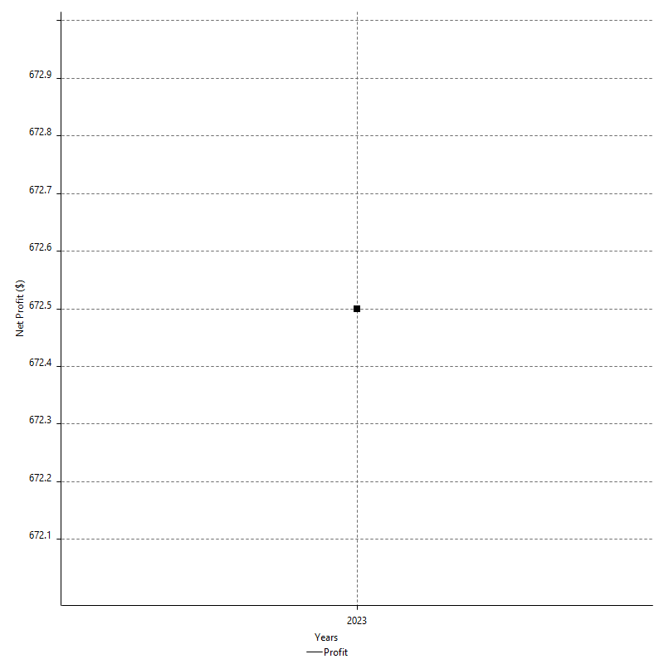
Hourly Period Analysis

Period | Profit ($) | Profit (%) | Average Profit ($) | Gross Profit | Gross Loss | # Trades | % Profitable
8/1/23 | -$46.50 | -0.05% | -$46.50 | $0.00 | -$46.50 | 1 | 0.00%
8/1/23 | -$69.00 | -0.07% | -$69.00 | $0.00 | -$69.00 | 1 | 0.00%
8/1/23 | -$15.00 | -0.01% | -$15.00 | $0.00 | -$15.00 | 1 | 0.00%
8/1/23 | $0.00 | 0.00% | $0.00 | $0.00 | $0.00 | 0 | 0.00%
8/1/23 | $0.00 | 0.00% | $0.00 | $0.00 | $0.00 | 0 | 0.00%
8/1/23 | $0.00 | 0.00% | $0.00 | $0.00 | $0.00 | 0 | 0.00%
8/1/23 | $0.00 | 0.00% | $0.00 | $0.00 | $0.00 | 0 | 0.00%
7/31/23 | $0.00 | 0.00% | $0.00 | $0.00 | $0.00 | 0 | 0.00%
7/31/23 | $0.00 | 0.00% | $0.00 | $0.00 | $0.00 | 0 | 0.00%
7/31/23 | $0.00 | 0.00% | $0.00 | $0.00 | $0.00 | 0 | 0.00%
7/31/23 | $0.00 | 0.00% | $0.00 | $0.00 | $0.00 | 0 | 0.00%
7/31/23 | $0.00 | 0.00% | $0.00 | $0.00 | $0.00 | 0 | 0.00%
7/31/23 | $0.00 | 0.00% | $0.00 | $0.00 | $0.00 | 0 | 0.00%
7/31/23 | $0.00 | 0.00% | $0.00 | $0.00 | $0.00 | 0 | 0.00%
7/31/23 | -$47.00 | -0.05% | -$47.00 | $0.00 | -$47.00 | 1 | 0.00%
7/31/23 | $37.00 | 0.04% | $37.00 | $37.00 | $0.00 | 1 | 100.00%
7/31/23 | $86.50 | 0.09% | $28.83 | $86.50 | $0.00 | 3 | 100.00%
7/31/23 | $28.50 | 0.03% | $9.50 | $28.50 | $0.00 | 3 | 100.00%
7/31/23 | -$42.50 | -0.04% | -$21.25 | $0.00 | -$42.50 | 2 | 0.00%
7/31/23 | $67.50 | 0.07% | $33.75 | $67.50 | $0.00 | 2 | 100.00%
7/31/23 | $0.00 | 0.00% | $0.00 | $0.00 | $0.00 | 0 | 0.00%
7/31/23 | $31.50 | 0.03% | $31.50 | $31.50 | $0.00 | 1 | 100.00%
7/31/23 | $0.00 | 0.00% | $0.00 | $0.00 | $0.00 | 0 | 0.00%
7/31/23 | $0.00 | 0.00% | $0.00 | $0.00 | $0.00 | 0 | 0.00%
7/31/23 | $0.00 | 0.00% | $0.00 | $0.00 | $0.00 | 0 | 0.00%
7/31/23 | $0.00 | 0.00% | $0.00 | $0.00 | $0.00 | 0 | 0.00%
7/31/23 | $0.00 | 0.00% | $0.00 | $0.00 | $0.00 | 0 | 0.00%
7/31/23 | $0.00 | 0.00% | $0.00 | $0.00 | $0.00 | 0 | 0.00%
7/31/23 | -$48.50 | -0.05% | -$24.25 | $0.00 | -$48.50 | 2 | 0.00%
7/31/23 | $301.50 | 0.30% | $100.50 | $301.50 | $0.00 | 3 | 100.00%
7/31/23 | $0.00 | 0.00% | $0.00 | $0.00 | $0.00 | 3 | 0.00%
7/30/23 | $0.00 | 0.00% | $0.00 | $0.00 | $0.00 | 3 | 0.00%
7/30/23 | $0.00 | 0.00% | $0.00 | $0.00 | $0.00 | 3 | 0.00%
7/30/23 | $0.00 | 0.00% | $0.00 | $0.00 | $0.00 | 3 | 0.00%
7/30/23 | $0.00 | 0.00% | $0.00 | $0.00 | $0.00 | 3 | 0.00%
7/30/23 | $0.00 | 0.00% | $0.00 | $0.00 | $0.00 | 3 | 0.00%
7/30/23 | $0.00 | 0.00% | $0.00 | $0.00 | $0.00 | 3 | 0.00%
7/30/23 | $0.00 | 0.00% | $0.00 | $0.00 | $0.00 | 3 | 0.00%
7/30/23 | $0.00 | 0.00% | $0.00 | $0.00 | $0.00 | 3 | 0.00%
7/30/23 | $0.00 | 0.00% | $0.00 | $0.00 | $0.00 | 3 | 0.00%
7/30/23 | $0.00 | 0.00% | $0.00 | $0.00 | $0.00 | 3 | 0.00%
7/30/23 | $0.00 | 0.00% | $0.00 | $0.00 | $0.00 | 3 | 0.00%
7/30/23 | $0.00 | 0.00% | $0.00 | $0.00 | $0.00 | 3 | 0.00%
7/30/23 | $0.00 | 0.00% | $0.00 | $0.00 | $0.00 | 3 | 0.00%
7/30/23 | $0.00 | 0.00% | $0.00 | $0.00 | $0.00 | 3 | 0.00%
7/30/23 | $0.00 | 0.00% | $0.00 | $0.00 | $0.00 | 3 | 0.00%
7/30/23 | $0.00 | 0.00% | $0.00 | $0.00 | $0.00 | 3 | 0.00%
7/30/23 | $0.00 | 0.00% | $0.00 | $0.00 | $0.00 | 3 | 0.00%
7/30/23 | $0.00 | 0.00% | $0.00 | $0.00 | $0.00 | 3 | 0.00%
7/30/23 | $0.00 | 0.00% | $0.00 | $0.00 | $0.00 | 3 | 0.00%
7/30/23 | $0.00 | 0.00% | $0.00 | $0.00 | $0.00 | 3 | 0.00%
7/30/23 | $0.00 | 0.00% | $0.00 | $0.00 | $0.00 | 3 | 0.00%
7/30/23 | $0.00 | 0.00% | $0.00 | $0.00 | $0.00 | 3 | 0.00%
7/30/23 | $0.00 | 0.00% | $0.00 | $0.00 | $0.00 | 3 | 0.00%
7/30/23 | $0.00 | 0.00% | $0.00 | $0.00 | $0.00 | 3 | 0.00%
7/29/23 | $0.00 | 0.00% | $0.00 | $0.00 | $0.00 | 3 | 0.00%
7/29/23 | $0.00 | 0.00% | $0.00 | $0.00 | $0.00 | 3 | 0.00%
7/29/23 | $0.00 | 0.00% | $0.00 | $0.00 | $0.00 | 3 | 0.00%
7/29/23 | $0.00 | 0.00% | $0.00 | $0.00 | $0.00 | 3 | 0.00%
7/29/23 | $0.00 | 0.00% | $0.00 | $0.00 | $0.00 | 3 | 0.00%
7/29/23 | $0.00 | 0.00% | $0.00 | $0.00 | $0.00 | 3 | 0.00%
7/29/23 | $0.00 | 0.00% | $0.00 | $0.00 | $0.00 | 3 | 0.00%
7/29/23 | $0.00 | 0.00% | $0.00 | $0.00 | $0.00 | 3 | 0.00%
7/29/23 | $0.00 | 0.00% | $0.00 | $0.00 | $0.00 | 3 | 0.00%
7/29/23 | $0.00 | 0.00% | $0.00 | $0.00 | $0.00 | 3 | 0.00%
7/29/23 | $0.00 | 0.00% | $0.00 | $0.00 | $0.00 | 3 | 0.00%
7/29/23 | $0.00 | 0.00% | $0.00 | $0.00 | $0.00 | 3 | 0.00%
7/29/23 | $0.00 | 0.00% | $0.00 | $0.00 | $0.00 | 3 | 0.00%
7/29/23 | $0.00 | 0.00% | $0.00 | $0.00 | $0.00 | 3 | 0.00%
7/29/23 | $0.00 | 0.00% | $0.00 | $0.00 | $0.00 | 3 | 0.00%
7/29/23 | $0.00 | 0.00% | $0.00 | $0.00 | $0.00 | 3 | 0.00%
7/29/23 | $0.00 | 0.00% | $0.00 | $0.00 | $0.00 | 3 | 0.00%
7/29/23 | $0.00 | 0.00% | $0.00 | $0.00 | $0.00 | 3 | 0.00%
7/29/23 | $0.00 | 0.00% | $0.00 | $0.00 | $0.00 | 3 | 0.00%
7/29/23 | $0.00 | 0.00% | $0.00 | $0.00 | $0.00 | 3 | 0.00%
7/29/23 | $0.00 | 0.00% | $0.00 | $0.00 | $0.00 | 3 | 0.00%
7/29/23 | $0.00 | 0.00% | $0.00 | $0.00 | $0.00 | 3 | 0.00%
7/29/23 | $0.00 | 0.00% | $0.00 | $0.00 | $0.00 | 3 | 0.00%
7/29/23 | -$3.00 | 0.00% | -$1.00 | $0.00 | -$3.00 | 3 | 0.00%
7/28/23 | $3.00 | 0.00% | $1.00 | $3.00 | $0.00 | 3 | 100.00%
7/28/23 | $0.00 | 0.00% | $0.00 | $0.00 | $0.00 | 0 | 0.00%
7/28/23 | $0.00 | 0.00% | $0.00 | $0.00 | $0.00 | 0 | 0.00%
7/28/23 | $0.00 | 0.00% | $0.00 | $0.00 | $0.00 | 0 | 0.00%
7/28/23 | $0.00 | 0.00% | $0.00 | $0.00 | $0.00 | 0 | 0.00%
7/28/23 | $0.00 | 0.00% | $0.00 | $0.00 | $0.00 | 0 | 0.00%
7/28/23 | $0.00 | 0.00% | $0.00 | $0.00 | $0.00 | 0 | 0.00%
7/28/23 | $0.00 | 0.00% | $0.00 | $0.00 | $0.00 | 0 | 0.00%
7/28/23 | $0.00 | 0.00% | $0.00 | $0.00 | $0.00 | 0 | 0.00%
7/28/23 | $0.00 | 0.00% | $0.00 | $0.00 | $0.00 | 0 | 0.00%
7/28/23 | -$8.00 | -0.01% | -$4.00 | $0.00 | -$8.00 | 2 | 0.00%
7/28/23 | $133.50 | 0.13% | $33.38 | $133.50 | $0.00 | 4 | 100.00%
7/28/23 | $0.00 | 0.00% | $0.00 | $0.00 | $0.00 | 0 | 0.00%
7/28/23 | $0.00 | 0.00% | $0.00 | $0.00 | $0.00 | 0 | 0.00%
7/28/23 | -$22.50 | -0.02% | -$11.25 | $0.00 | -$22.50 | 2 | 0.00%
7/28/23 | $98.50 | 0.10% | $32.83 | $98.50 | $0.00 | 3 | 100.00%
7/28/23 | $0.00 | 0.00% | $0.00 | $0.00 | $0.00 | 0 | 0.00%
7/28/23 | $55.50 | 0.06% | $55.50 | $55.50 | $0.00 | 1 | 100.00%
7/28/23 | $0.00 | 0.00% | $0.00 | $0.00 | $0.00 | 0 | 0.00%
7/28/23 | $0.00 | 0.00% | $0.00 | $0.00 | $0.00 | 0 | 0.00%
7/28/23 | $0.00 | 0.00% | $0.00 | $0.00 | $0.00 | 0 | 0.00%
7/28/23 | $0.00 | 0.00% | $0.00 | $0.00 | $0.00 | 0 | 0.00%
7/28/23 | $0.00 | 0.00% | $0.00 | $0.00 | $0.00 | 0 | 0.00%
7/28/23 | $0.00 | 0.00% | $0.00 | $0.00 | $0.00 | 0 | 0.00%
7/27/23 | $0.00 | 0.00% | $0.00 | $0.00 | $0.00 | 0 | 0.00%
7/27/23 | $0.00 | 0.00% | $0.00 | $0.00 | $0.00 | 0 | 0.00%
7/27/23 | $0.00 | 0.00% | $0.00 | $0.00 | $0.00 | 0 | 0.00%
7/27/23 | $0.00 | 0.00% | $0.00 | $0.00 | $0.00 | 0 | 0.00%
7/27/23 | $0.00 | 0.00% | $0.00 | $0.00 | $0.00 | 0 | 0.00%
7/27/23 | $0.00 | 0.00% | $0.00 | $0.00 | $0.00 | 0 | 0.00%
7/27/23 | $0.00 | 0.00% | $0.00 | $0.00 | $0.00 | 0 | 0.00%
7/27/23 | $0.00 | 0.00% | $0.00 | $0.00 | $0.00 | 0 | 0.00%
7/27/23 | $0.00 | 0.00% | $0.00 | $0.00 | $0.00 | 0 | 0.00%
7/27/23 | $0.00 | 0.00% | $0.00 | $0.00 | $0.00 | 0 | 0.00%
7/27/23 | $0.00 | 0.00% | $0.00 | $0.00 | $0.00 | 0 | 0.00%
7/27/23 | $0.00 | 0.00% | $0.00 | $0.00 | $0.00 | 0 | 0.00%
7/27/23 | $0.00 | 0.00% | $0.00 | $0.00 | $0.00 | 0 | 0.00%
7/27/23 | $0.00 | 0.00% | $0.00 | $0.00 | $0.00 | 0 | 0.00%
7/27/23 | $58.50 | 0.06% | $29.25 | $58.50 | $0.00 | 2 | 100.00%
7/27/23 | $1.50 | 0.00% | $1.50 | $1.50 | $0.00 | 1 | 100.00%
7/27/23 | $0.00 | 0.00% | $0.00 | $0.00 | $0.00 | 0 | 0.00%
7/27/23 | $0.00 | 0.00% | $0.00 | $0.00 | $0.00 | 0 | 0.00%
7/27/23 | $0.00 | 0.00% | $0.00 | $0.00 | $0.00 | 0 | 0.00%
7/27/23 | $0.00 | 0.00% | $0.00 | $0.00 | $0.00 | 0 | 0.00%
7/27/23 | $0.00 | 0.00% | $0.00 | $0.00 | $0.00 | 0 | 0.00%
7/27/23 | $0.00 | 0.00% | $0.00 | $0.00 | $0.00 | 0 | 0.00%
7/27/23 | $0.00 | 0.00% | $0.00 | $0.00 | $0.00 | 0 | 0.00%
7/27/23 | $0.00 | 0.00% | $0.00 | $0.00 | $0.00 | 0 | 0.00%
7/26/23 | $0.00 | 0.00% | $0.00 | $0.00 | $0.00 | 0 | 0.00%
7/26/23 | $0.00 | 0.00% | $0.00 | $0.00 | $0.00 | 0 | 0.00%
7/26/23 | $0.00 | 0.00% | $0.00 | $0.00 | $0.00 | 0 | 0.00%
7/26/23 | $0.00 | 0.00% | $0.00 | $0.00 | $0.00 | 0 | 0.00%
7/26/23 | $0.00 | 0.00% | $0.00 | $0.00 | $0.00 | 0 | 0.00%
7/26/23 | $0.00 | 0.00% | $0.00 | $0.00 | $0.00 | 0 | 0.00%
7/26/23 | $0.00 | 0.00% | $0.00 | $0.00 | $0.00 | 0 | 0.00%
7/26/23 | $0.00 | 0.00% | $0.00 | $0.00 | $0.00 | 0 | 0.00%
7/26/23 | $0.00 | 0.00% | $0.00 | $0.00 | $0.00 | 0 | 0.00%
7/26/23 | $0.00 | 0.00% | $0.00 | $0.00 | $0.00 | 0 | 0.00%
7/26/23 | $0.00 | 0.00% | $0.00 | $0.00 | $0.00 | 0 | 0.00%
7/26/23 | $0.00 | 0.00% | $0.00 | $0.00 | $0.00 | 0 | 0.00%
7/26/23 | -$5.00 | 0.00% | -$5.00 | $0.00 | -$5.00 | 1 | 0.00%
7/26/23 | -$8.00 | -0.01% | -$4.00 | $0.00 | -$8.00 | 2 | 0.00%
7/26/23 | $99.50 | 0.10% | $33.17 | $99.50 | $0.00 | 3 | 100.00%
7/26/23 | -$16.50 | -0.02% | -$5.50 | $0.00 | -$16.50 | 3 | 0.00%
7/26/23 | -$19.50 | -0.02% | -$6.50 | $0.00 | -$19.50 | 3 | 0.00%
7/26/23 | $3.00 | 0.00% | $1.00 | $3.00 | $0.00 | 3 | 100.00%
7/26/23 | $0.00 | 0.00% | $0.00 | $0.00 | $0.00 | 0 | 0.00%
7/26/23 | $0.00 | 0.00% | $0.00 | $0.00 | $0.00 | 0 | 0.00%
7/26/23 | $0.00 | 0.00% | $0.00 | $0.00 | $0.00 | 0 | 0.00%
7/26/23 | $0.00 | 0.00% | $0.00 | $0.00 | $0.00 | 0 | 0.00%
7/26/23 | $0.00 | 0.00% | $0.00 | $0.00 | $0.00 | 0 | 0.00%
7/26/23 | $0.00 | 0.00% | $0.00 | $0.00 | $0.00 | 0 | 0.00%
7/25/23 | $0.00 | 0.00% | $0.00 | $0.00 | $0.00 | 0 | 0.00%
7/25/23 | $0.00 | 0.00% | $0.00 | $0.00 | $0.00 | 0 | 0.00%
7/25/23 | $0.00 | 0.00% | $0.00 | $0.00 | $0.00 | 0 | 0.00%
7/25/23 | $0.00 | 0.00% | $0.00 | $0.00 | $0.00 | 0 | 0.00%
7/25/23 | $0.00 | 0.00% | $0.00 | $0.00 | $0.00 | 0 | 0.00%
7/25/23 | $0.00 | 0.00% | $0.00 | $0.00 | $0.00 | 0 | 0.00%
7/25/23 | $0.00 | 0.00% | $0.00 | $0.00 | $0.00 | 0 | 0.00%
7/25/23 | $0.00 | 0.00% | $0.00 | $0.00 | $0.00 | 0 | 0.00%
7/25/23 | -$1.50 | 0.00% | -$0.75 | $5.50 | -$7.00 | 2 | 50.00%
7/25/23 | $60.00 | 0.06% | $15.00 | $60.00 | $0.00 | 4 | 100.00%
7/25/23 | -$52.00 | -0.05% | -$17.33 | $0.00 | -$52.00 | 3 | 0.00%
7/25/23 | -$9.50 | -0.01% | -$4.75 | $2.50 | -$12.00 | 2 | 50.00%
7/25/23 | $137.00 | 0.14% | $45.67 | $137.00 | $0.00 | 3 | 100.00%
7/25/23 | $33.00 | 0.03% | $11.00 | $33.00 | $0.00 | 3 | 100.00%
7/25/23 | $0.00 | 0.00% | $0.00 | $0.00 | $0.00 | 0 | 0.00%
7/25/23 | $0.00 | 0.00% | $0.00 | $0.00 | $0.00 | 0 | 0.00%
7/25/23 | $0.00 | 0.00% | $0.00 | $0.00 | $0.00 | 0 | 0.00%
7/25/23 | $0.00 | 0.00% | $0.00 | $0.00 | $0.00 | 0 | 0.00%
7/25/23 | $0.00 | 0.00% | $0.00 | $0.00 | $0.00 | 0 | 0.00%
7/25/23 | $0.00 | 0.00% | $0.00 | $0.00 | $0.00 | 0 | 0.00%
7/25/23 | -$96.00 | -0.10% | -$96.00 | $0.00 | -$96.00 | 1 | 0.00%
7/25/23 | $15.00 | 0.02% | $15.00 | $15.00 | $0.00 | 1 | 100.00%
7/25/23 | -$21.00 | -0.02% | -$21.00 | $0.00 | -$21.00 | 1 | 0.00%
7/25/23 | -$24.00 | -0.02% | -$24.00 | $0.00 | -$24.00 | 1 | 0.00%
7/24/23 | -$4.50 | 0.00% | -$4.50 | $0.00 | -$4.50 | 1 | 0.00%
7/24/23 | $0.00 | 0.00% | $0.00 | $0.00 | $0.00 | 0 | 0.00%
7/24/23 | $0.00 | 0.00% | $0.00 | $0.00 | $0.00 | 0 | 0.00%
7/24/23 | $0.00 | 0.00% | $0.00 | $0.00 | $0.00 | 0 | 0.00%
7/24/23 | $0.00 | 0.00% | $0.00 | $0.00 | $0.00 | 0 | 0.00%
7/24/23 | $0.00 | 0.00% | $0.00 | $0.00 | $0.00 | 0 | 0.00%
7/24/23 | $0.00 | 0.00% | $0.00 | $0.00 | $0.00 | 0 | 0.00%
7/24/23 | $90.00 | 0.09% | $45.00 | $90.00 | $0.00 | 2 | 100.00%
7/24/23 | -$168.00 | -0.17% | -$56.00 | $0.00 | -$168.00 | 3 | 0.00%
7/24/23 | $43.50 | 0.04% | $43.50 | $43.50 | $0.00 | 1 | 100.00%
7/24/23 | -$45.00 | -0.04% | -$45.00 | $0.00 | -$45.00 | 1 | 0.00%
7/24/23 | -$15.00 | -0.01% | -$15.00 | $0.00 | -$15.00 | 1 | 0.00%
7/24/23 | $0.00 | 0.00% | $0.00 | $0.00 | $0.00 | 0 | 0.00%
7/24/23 | $0.00 | 0.00% | $0.00 | $0.00 | $0.00 | 0 | 0.00%
7/24/23 | $0.00 | 0.00% | $0.00 | $0.00 | $0.00 | 0 | 0.00%
7/24/23 | $0.00 | 0.00% | $0.00 | $0.00 | $0.00 | 0 | 0.00%
7/24/23 | $0.00 | 0.00% | $0.00 | $0.00 | $0.00 | 0 | 0.00%
7/24/23 | $0.00 | 0.00% | $0.00 | $0.00 | $0.00 | 0 | 0.00%
7/24/23 | $0.00 | 0.00% | $0.00 | $0.00 | $0.00 | 0 | 0.00%
7/24/23 | $0.00 | 0.00% | $0.00 | $0.00 | $0.00 | 0 | 0.00%
7/24/23 | $0.00 | 0.00% | $0.00 | $0.00 | $0.00 | 0 | 0.00%
7/24/23 | $0.00 | 0.00% | $0.00 | $0.00 | $0.00 | 0 | 0.00%
7/24/23 | $0.00 | 0.00% | $0.00 | $0.00 | $0.00 | 0 | 0.00%
7/24/23 | $0.00 | 0.00% | $0.00 | $0.00 | $0.00 | 0 | 0.00%
7/23/23 | $0.00 | 0.00% | $0.00 | $0.00 | $0.00 | 0 | 0.00%
7/23/23 | $0.00 | 0.00% | $0.00 | $0.00 | $0.00 | 0 | 0.00%
7/23/23 | $0.00 | 0.00% | $0.00 | $0.00 | $0.00 | 0 | 0.00%
7/23/23 | $0.00 | 0.00% | $0.00 | $0.00 | $0.00 | 0 | 0.00%
7/23/23 | $0.00 | 0.00% | $0.00 | $0.00 | $0.00 | 0 | 0.00%
7/23/23 | $0.00 | 0.00% | $0.00 | $0.00 | $0.00 | 0 | 0.00%
7/23/23 | $0.00 | 0.00% | $0.00 | $0.00 | $0.00 | 0 | 0.00%
7/23/23 | $0.00 | 0.00% | $0.00 | $0.00 | $0.00 | 0 | 0.00%
7/23/23 | $0.00 | 0.00% | $0.00 | $0.00 | $0.00 | 0 | 0.00%
7/23/23 | $0.00 | 0.00% | $0.00 | $0.00 | $0.00 | 0 | 0.00%
7/23/23 | $0.00 | 0.00% | $0.00 | $0.00 | $0.00 | 0 | 0.00%
7/23/23 | $0.00 | 0.00% | $0.00 | $0.00 | $0.00 | 0 | 0.00%
7/23/23 | $0.00 | 0.00% | $0.00 | $0.00 | $0.00 | 0 | 0.00%
7/23/23 | $0.00 | 0.00% | $0.00 | $0.00 | $0.00 | 0 | 0.00%
7/23/23 | $0.00 | 0.00% | $0.00 | $0.00 | $0.00 | 0 | 0.00%
7/23/23 | $0.00 | 0.00% | $0.00 | $0.00 | $0.00 | 0 | 0.00%
7/23/23 | $0.00 | 0.00% | $0.00 | $0.00 | $0.00 | 0 | 0.00%
7/23/23 | $0.00 | 0.00% | $0.00 | $0.00 | $0.00 | 0 | 0.00%
7/23/23 | $0.00 | 0.00% | $0.00 | $0.00 | $0.00 | 0 | 0.00%
7/23/23 | $0.00 | 0.00% | $0.00 | $0.00 | $0.00 | 0 | 0.00%
7/23/23 | $0.00 | 0.00% | $0.00 | $0.00 | $0.00 | 0 | 0.00%
7/23/23 | $0.00 | 0.00% | $0.00 | $0.00 | $0.00 | 0 | 0.00%
7/23/23 | $0.00 | 0.00% | $0.00 | $0.00 | $0.00 | 0 | 0.00%
7/23/23 | $0.00 | 0.00% | $0.00 | $0.00 | $0.00 | 0 | 0.00%
7/22/23 | $0.00 | 0.00% | $0.00 | $0.00 | $0.00 | 0 | 0.00%
7/22/23 | $0.00 | 0.00% | $0.00 | $0.00 | $0.00 | 0 | 0.00%
7/22/23 | $0.00 | 0.00% | $0.00 | $0.00 | $0.00 | 0 | 0.00%
7/22/23 | $0.00 | 0.00% | $0.00 | $0.00 | $0.00 | 0 | 0.00%
7/22/23 | $0.00 | 0.00% | $0.00 | $0.00 | $0.00 | 0 | 0.00%
7/22/23 | $0.00 | 0.00% | $0.00 | $0.00 | $0.00 | 0 | 0.00%
7/22/23 | $0.00 | 0.00% | $0.00 | $0.00 | $0.00 | 0 | 0.00%
7/22/23 | $0.00 | 0.00% | $0.00 | $0.00 | $0.00 | 0 | 0.00%
7/22/23 | $0.00 | 0.00% | $0.00 | $0.00 | $0.00 | 0 | 0.00%
7/22/23 | $0.00 | 0.00% | $0.00 | $0.00 | $0.00 | 0 | 0.00%
7/22/23 | $0.00 | 0.00% | $0.00 | $0.00 | $0.00 | 0 | 0.00%
7/22/23 | $0.00 | 0.00% | $0.00 | $0.00 | $0.00 | 0 | 0.00%
7/22/23 | $0.00 | 0.00% | $0.00 | $0.00 | $0.00 | 0 | 0.00%
7/22/23 | $0.00 | 0.00% | $0.00 | $0.00 | $0.00 | 0 | 0.00%
7/22/23 | $0.00 | 0.00% | $0.00 | $0.00 | $0.00 | 0 | 0.00%
7/22/23 | $0.00 | 0.00% | $0.00 | $0.00 | $0.00 | 0 | 0.00%
7/22/23 | $0.00 | 0.00% | $0.00 | $0.00 | $0.00 | 0 | 0.00%
7/22/23 | $0.00 | 0.00% | $0.00 | $0.00 | $0.00 | 0 | 0.00%
7/22/23 | $0.00 | 0.00% | $0.00 | $0.00 | $0.00 | 0 | 0.00%
7/22/23 | $0.00 | 0.00% | $0.00 | $0.00 | $0.00 | 0 | 0.00%
7/22/23 | $0.00 | 0.00% | $0.00 | $0.00 | $0.00 | 0 | 0.00%
7/22/23 | $0.00 | 0.00% | $0.00 | $0.00 | $0.00 | 0 | 0.00%
7/22/23 | $0.00 | 0.00% | $0.00 | $0.00 | $0.00 | 0 | 0.00%
7/22/23 | $0.00 | 0.00% | $0.00 | $0.00 | $0.00 | 0 | 0.00%
7/21/23 | $0.00 | 0.00% | $0.00 | $0.00 | $0.00 | 0 | 0.00%
7/21/23 | $0.00 | 0.00% | $0.00 | $0.00 | $0.00 | 0 | 0.00%
7/21/23 | $0.00 | 0.00% | $0.00 | $0.00 | $0.00 | 0 | 0.00%
7/21/23 | $0.00 | 0.00% | $0.00 | $0.00 | $0.00 | 0 | 0.00%
7/21/23 | $0.00 | 0.00% | $0.00 | $0.00 | $0.00 | 0 | 0.00%
7/21/23 | $0.00 | 0.00% | $0.00 | $0.00 | $0.00 | 0 | 0.00%
7/21/23 | $0.00 | 0.00% | $0.00 | $0.00 | $0.00 | 0 | 0.00%
7/21/23 | $0.00 | 0.00% | $0.00 | $0.00 | $0.00 | 0 | 0.00%
7/21/23 | $27.00 | 0.03% | $27.00 | $27.00 | $0.00 | 1 | 100.00%
7/21/23 | $0.00 | 0.00% | $0.00 | $0.00 | $0.00 | 0 | 0.00%
7/21/23 | $0.00 | 0.00% | $0.00 | $0.00 | $0.00 | 0 | 0.00%
7/21/23 | -$33.00 | -0.03% | -$33.00 | $0.00 | -$33.00 | 1 | 0.00%
7/21/23 | $50.50 | 0.05% | $50.50 | $50.50 | $0.00 | 1 | 100.00%
7/21/23 | $54.50 | 0.05% | $27.25 | $54.50 | $0.00 | 2 | 100.00%
7/21/23 | $71.00 | 0.07% | $23.67 | $71.00 | $0.00 | 3 | 100.00%
7/21/23 | $21.00 | 0.02% | $7.00 | $21.00 | $0.00 | 3 | 100.00%
7/21/23 | -$18.00 | -0.02% | -$6.00 | $0.00 | -$18.00 | 3 | 0.00%
7/21/23 | -$33.00 | -0.03% | -$11.00 | $0.00 | -$33.00 | 3 | 0.00%
7/21/23 | $0.00 | 0.00% | $0.00 | $0.00 | $0.00 | 0 | 0.00%
7/21/23 | $0.00 | 0.00% | $0.00 | $0.00 | $0.00 | 0 | 0.00%
7/21/23 | $0.00 | 0.00% | $0.00 | $0.00 | $0.00 | 0 | 0.00%
7/21/23 | $0.00 | 0.00% | $0.00 | $0.00 | $0.00 | 0 | 0.00%
7/21/23 | $0.00 | 0.00% | $0.00 | $0.00 | $0.00 | 0 | 0.00%
7/21/23 | $0.00 | 0.00% | $0.00 | $0.00 | $0.00 | 0 | 0.00%
7/20/23 | $0.00 | 0.00% | $0.00 | $0.00 | $0.00 | 0 | 0.00%
7/20/23 | $0.00 | 0.00% | $0.00 | $0.00 | $0.00 | 0 | 0.00%
7/20/23 | $0.00 | 0.00% | $0.00 | $0.00 | $0.00 | 0 | 0.00%
7/20/23 | $0.00 | 0.00% | $0.00 | $0.00 | $0.00 | 0 | 0.00%
7/20/23 | $0.00 | 0.00% | $0.00 | $0.00 | $0.00 | 0 | 0.00%
7/20/23 | $0.00 | 0.00% | $0.00 | $0.00 | $0.00 | 0 | 0.00%
7/20/23 | $0.00 | 0.00% | $0.00 | $0.00 | $0.00 | 0 | 0.00%
7/20/23 | $0.00 | 0.00% | $0.00 | $0.00 | $0.00 | 0 | 0.00%
7/20/23 | $0.00 | 0.00% | $0.00 | $0.00 | $0.00 | 0 | 0.00%
7/20/23 | $0.00 | 0.00% | $0.00 | $0.00 | $0.00 | 0 | 0.00%
7/20/23 | $0.00 | 0.00% | $0.00 | $0.00 | $0.00 | 0 | 0.00%
7/20/23 | $0.00 | 0.00% | $0.00 | $0.00 | $0.00 | 0 | 0.00%
7/20/23 | $0.00 | 0.00% | $0.00 | $0.00 | $0.00 | 0 | 0.00%
7/20/23 | $0.00 | 0.00% | $0.00 | $0.00 | $0.00 | 0 | 0.00%
7/20/23 | -$156.00 | -0.16% | -$156.00 | $0.00 | -$156.00 | 1 | 0.00%
7/20/23 | $25.50 | 0.03% | $25.50 | $25.50 | $0.00 | 1 | 100.00%
7/20/23 | $0.00 | 0.00% | $0.00 | $0.00 | $0.00 | 0 | 0.00%
7/20/23 | $0.00 | 0.00% | $0.00 | $0.00 | $0.00 | 0 | 0.00%
7/20/23 | $0.00 | 0.00% | $0.00 | $0.00 | $0.00 | 0 | 0.00%
7/20/23 | $0.00 | 0.00% | $0.00 | $0.00 | $0.00 | 0 | 0.00%
7/20/23 | $0.00 | 0.00% | $0.00 | $0.00 | $0.00 | 0 | 0.00%
7/20/23 | $0.00 | 0.00% | $0.00 | $0.00 | $0.00 | 0 | 0.00%
7/20/23 | $0.00 | 0.00% | $0.00 | $0.00 | $0.00 | 0 | 0.00%
7/20/23 | $0.00 | 0.00% | $0.00 | $0.00 | $0.00 | 0 | 0.00%
7/19/23 | $0.00 | 0.00% | $0.00 | $0.00 | $0.00 | 0 | 0.00%
7/19/23 | $0.00 | 0.00% | $0.00 | $0.00 | $0.00 | 0 | 0.00%
7/19/23 | $0.00 | 0.00% | $0.00 | $0.00 | $0.00 | 0 | 0.00%
7/19/23 | $0.00 | 0.00% | $0.00 | $0.00 | $0.00 | 0 | 0.00%
7/19/23 | $0.00 | 0.00% | $0.00 | $0.00 | $0.00 | 0 | 0.00%
7/19/23 | $0.00 | 0.00% | $0.00 | $0.00 | $0.00 | 0 | 0.00%
7/19/23 | $0.00 | 0.00% | $0.00 | $0.00 | $0.00 | 0 | 0.00%
7/19/23 | -$6.00 | -0.01% | -$3.00 | $2.00 | -$8.00 | 2 | 50.00%
7/19/23 | $67.50 | 0.07% | $22.50 | $67.50 | $0.00 | 3 | 100.00%
7/19/23 | -$18.00 | -0.02% | -$9.00 | $3.00 | -$21.00 | 2 | 50.00%
7/19/23 | -$5.00 | 0.00% | -$1.25 | $36.00 | -$41.00 | 4 | 50.00%
7/19/23 | $58.00 | 0.06% | $29.00 | $58.00 | $0.00 | 2 | 100.00%
7/19/23 | $79.00 | 0.08% | $26.33 | $79.00 | $0.00 | 3 | 100.00%
7/19/23 | -$26.50 | -0.03% | -$5.30 | $4.00 | -$30.50 | 5 | 20.00%
7/19/23 | $30.00 | 0.03% | $15.00 | $30.00 | $0.00 | 2 | 100.00%
7/19/23 | $0.00 | 0.00% | $0.00 | $0.00 | $0.00 | 0 | 0.00%
7/19/23 | $0.00 | 0.00% | $0.00 | $0.00 | $0.00 | 0 | 0.00%
7/19/23 | $0.00 | 0.00% | $0.00 | $0.00 | $0.00 | 0 | 0.00%
7/19/23 | $0.00 | 0.00% | $0.00 | $0.00 | $0.00 | 0 | 0.00%
7/19/23 | $0.00 | 0.00% | $0.00 | $0.00 | $0.00 | 0 | 0.00%
7/19/23 | $0.00 | 0.00% | $0.00 | $0.00 | $0.00 | 0 | 0.00%
7/19/23 | $0.00 | 0.00% | $0.00 | $0.00 | $0.00 | 0 | 0.00%
7/19/23 | $0.00 | 0.00% | $0.00 | $0.00 | $0.00 | 0 | 0.00%
7/19/23 | $0.00 | 0.00% | $0.00 | $0.00 | $0.00 | 0 | 0.00%
7/18/23 | $0.00 | 0.00% | $0.00 | $0.00 | $0.00 | 0 | 0.00%
7/18/23 | $0.00 | 0.00% | $0.00 | $0.00 | $0.00 | 0 | 0.00%
7/18/23 | $0.00 | 0.00% | $0.00 | $0.00 | $0.00 | 0 | 0.00%
7/18/23 | $0.00 | 0.00% | $0.00 | $0.00 | $0.00 | 0 | 0.00%
7/18/23 | $0.00 | 0.00% | $0.00 | $0.00 | $0.00 | 0 | 0.00%
7/18/23 | $0.00 | 0.00% | $0.00 | $0.00 | $0.00 | 0 | 0.00%
7/18/23 | $0.00 | 0.00% | $0.00 | $0.00 | $0.00 | 0 | 0.00%
7/18/23 | $0.00 | 0.00% | $0.00 | $0.00 | $0.00 | 0 | 0.00%
7/18/23 | -$90.00 | -0.09% | -$90.00 | $0.00 | -$90.00 | 1 | 0.00%
7/18/23 | $21.00 | 0.02% | $21.00 | $21.00 | $0.00 | 1 | 100.00%
7/18/23 | -$69.00 | -0.07% | -$69.00 | $0.00 | -$69.00 | 1 | 0.00%
7/18/23 | $7.50 | 0.01% | $7.50 | $7.50 | $0.00 | 1 | 100.00%
7/18/23 | -$28.50 | -0.03% | -$14.25 | $0.00 | -$28.50 | 2 | 0.00%
7/18/23 | $87.00 | 0.09% | $43.50 | $87.00 | $0.00 | 2 | 100.00%
7/18/23 | $13.50 | 0.01% | $6.75 | $13.50 | $0.00 | 2 | 100.00%
7/18/23 | -$54.00 | -0.05% | -$27.00 | $0.00 | -$54.00 | 2 | 0.00%

Hourly Rolling Period Analysis

Period | Profit ($) | Profit (%) | Average Profit ($) | Gross Profit | Gross Loss | # Trades | % Profitable
Now - 8/1/2023 06:00 | -$46.50 | -0.05% | -$46.50 | $0.00 | -$46.50 | 1 | 0.00%
8/1/2023 05:00 - 8/1/2023 06:00 | -$115.50 | -0.11% | -$115.50 | $0.00 | -$115.50 | 1 | 0.00%
8/1/2023 04:00 - 8/1/2023 06:00 | -$130.50 | -0.13% | -$130.50 | $0.00 | -$130.50 | 1 | 0.00%
8/1/2023 03:00 - 8/1/2023 06:00 | -$130.50 | -0.13% | -$130.50 | $0.00 | -$130.50 | 1 | 0.00%
8/1/2023 02:00 - 8/1/2023 06:00 | -$130.50 | -0.13% | -$130.50 | $0.00 | -$130.50 | 1 | 0.00%
8/1/2023 01:00 - 8/1/2023 06:00 | -$130.50 | -0.13% | -$130.50 | $0.00 | -$130.50 | 1 | 0.00%
8/1/2023 00:00 - 8/1/2023 06:00 | -$130.50 | -0.13% | -$130.50 | $0.00 | -$130.50 | 1 | 0.00%
7/31/2023 23:00 - 8/1/2023 06:00 | -$130.50 | -0.13% | -$130.50 | $0.00 | -$130.50 | 1 | 0.00%
7/31/2023 22:00 - 8/1/2023 06:00 | -$130.50 | -0.13% | -$130.50 | $0.00 | -$130.50 | 1 | 0.00%
7/31/2023 21:00 - 8/1/2023 06:00 | -$130.50 | -0.13% | -$130.50 | $0.00 | -$130.50 | 1 | 0.00%
7/31/2023 20:00 - 8/1/2023 06:00 | -$130.50 | -0.13% | -$130.50 | $0.00 | -$130.50 | 1 | 0.00%
7/31/2023 19:00 - 8/1/2023 06:00 | -$130.50 | -0.13% | -$130.50 | $0.00 | -$130.50 | 1 | 0.00%
7/31/2023 18:00 - 8/1/2023 06:00 | -$130.50 | -0.13% | -$130.50 | $0.00 | -$130.50 | 1 | 0.00%
7/31/2023 17:00 - 8/1/2023 06:00 | -$130.50 | -0.13% | -$130.50 | $0.00 | -$130.50 | 1 | 0.00%
7/31/2023 16:00 - 8/1/2023 06:00 | -$177.50 | -0.18% | -$88.75 | $0.00 | -$177.50 | 2 | 0.00%
7/31/2023 15:00 - 8/1/2023 06:00 | -$140.50 | -0.14% | -$70.25 | $0.00 | -$140.50 | 2 | 0.00%
7/31/2023 14:00 - 8/1/2023 06:00 | -$54.00 | -0.05% | -$13.50 | $76.50 | -$130.50 | 4 | 75.00%
7/31/2023 13:00 - 8/1/2023 06:00 | -$25.50 | -0.03% | -$6.38 | $105.00 | -$130.50 | 4 | 75.00%
7/31/2023 12:00 - 8/1/2023 06:00 | -$68.00 | -0.07% | -$11.33 | $105.00 | -$173.00 | 6 | 50.00%
7/31/2023 11:00 - 8/1/2023 06:00 | -$0.50 | 0.00% | -$0.08 | $130.00 | -$130.50 | 6 | 83.33%
7/31/2023 10:00 - 8/1/2023 06:00 | -$0.50 | 0.00% | -$0.08 | $130.00 | -$130.50 | 6 | 83.33%
7/31/2023 09:00 - 8/1/2023 06:00 | $31.00 | 0.03% | $4.43 | $161.50 | -$130.50 | 7 | 85.71%
7/31/2023 08:00 - 8/1/2023 06:00 | $31.00 | 0.03% | $4.43 | $161.50 | -$130.50 | 7 | 85.71%
7/31/2023 07:00 - 8/1/2023 06:00 | $31.00 | 0.03% | $4.43 | $161.50 | -$130.50 | 7 | 85.71%
7/31/2023 06:00 - 8/1/2023 06:00 | $31.00 | 0.03% | $4.43 | $161.50 | -$130.50 | 7 | 85.71%
7/31/2023 05:00 - 8/1/2023 06:00 | $31.00 | 0.03% | $4.43 | $161.50 | -$130.50 | 7 | 85.71%
7/31/2023 04:00 - 8/1/2023 06:00 | $31.00 | 0.03% | $4.43 | $161.50 | -$130.50 | 7 | 85.71%
7/31/2023 03:00 - 8/1/2023 06:00 | $31.00 | 0.03% | $4.43 | $161.50 | -$130.50 | 7 | 85.71%
7/31/2023 02:00 - 8/1/2023 06:00 | -$17.50 | -0.02% | -$1.94 | $161.50 | -$179.00 | 9 | 66.67%
7/31/2023 01:00 - 8/1/2023 06:00 | $284.00 | 0.28% | $28.40 | $414.50 | -$130.50 | 10 | 90.00%
7/31/2023 00:00 - 8/1/2023 06:00 | $284.00 | 0.28% | $28.40 | $414.50 | -$130.50 | 10 | 90.00%
7/30/2023 23:00 - 8/1/2023 06:00 | $284.00 | 0.28% | $28.40 | $414.50 | -$130.50 | 10 | 90.00%
7/30/2023 22:00 - 8/1/2023 06:00 | $284.00 | 0.28% | $28.40 | $414.50 | -$130.50 | 10 | 90.00%
7/30/2023 21:00 - 8/1/2023 06:00 | $284.00 | 0.28% | $28.40 | $414.50 | -$130.50 | 10 | 90.00%
7/30/2023 20:00 - 8/1/2023 06:00 | $284.00 | 0.28% | $28.40 | $414.50 | -$130.50 | 10 | 90.00%
7/30/2023 19:00 - 8/1/2023 06:00 | $284.00 | 0.28% | $28.40 | $414.50 | -$130.50 | 10 | 90.00%
7/30/2023 18:00 - 8/1/2023 06:00 | $284.00 | 0.28% | $28.40 | $414.50 | -$130.50 | 10 | 90.00%
7/30/2023 17:00 - 8/1/2023 06:00 | $284.00 | 0.28% | $28.40 | $414.50 | -$130.50 | 10 | 90.00%
7/30/2023 16:00 - 8/1/2023 06:00 | $284.00 | 0.28% | $28.40 | $414.50 | -$130.50 | 10 | 90.00%
7/30/2023 15:00 - 8/1/2023 06:00 | $284.00 | 0.28% | $28.40 | $414.50 | -$130.50 | 10 | 90.00%
7/30/2023 14:00 - 8/1/2023 06:00 | $284.00 | 0.28% | $28.40 | $414.50 | -$130.50 | 10 | 90.00%
7/30/2023 13:00 - 8/1/2023 06:00 | $284.00 | 0.28% | $28.40 | $414.50 | -$130.50 | 10 | 90.00%
7/30/2023 12:00 - 8/1/2023 06:00 | $284.00 | 0.28% | $28.40 | $414.50 | -$130.50 | 10 | 90.00%
7/30/2023 11:00 - 8/1/2023 06:00 | $284.00 | 0.28% | $28.40 | $414.50 | -$130.50 | 10 | 90.00%
7/30/2023 10:00 - 8/1/2023 06:00 | $284.00 | 0.28% | $28.40 | $414.50 | -$130.50 | 10 | 90.00%
7/30/2023 09:00 - 8/1/2023 06:00 | $284.00 | 0.28% | $28.40 | $414.50 | -$130.50 | 10 | 90.00%
7/30/2023 08:00 - 8/1/2023 06:00 | $284.00 | 0.28% | $28.40 | $414.50 | -$130.50 | 10 | 90.00%
7/30/2023 07:00 - 8/1/2023 06:00 | $284.00 | 0.28% | $28.40 | $414.50 | -$130.50 | 10 | 90.00%
7/30/2023 06:00 - 8/1/2023 06:00 | $284.00 | 0.28% | $28.40 | $414.50 | -$130.50 | 10 | 90.00%
7/30/2023 05:00 - 8/1/2023 06:00 | $284.00 | 0.28% | $28.40 | $414.50 | -$130.50 | 10 | 90.00%
7/30/2023 04:00 - 8/1/2023 06:00 | $284.00 | 0.28% | $28.40 | $414.50 | -$130.50 | 10 | 90.00%
7/30/2023 03:00 - 8/1/2023 06:00 | $284.00 | 0.28% | $28.40 | $414.50 | -$130.50 | 10 | 90.00%
7/30/2023 02:00 - 8/1/2023 06:00 | $284.00 | 0.28% | $28.40 | $414.50 | -$130.50 | 10 | 90.00%
7/30/2023 01:00 - 8/1/2023 06:00 | $284.00 | 0.28% | $28.40 | $414.50 | -$130.50 | 10 | 90.00%
7/30/2023 00:00 - 8/1/2023 06:00 | $284.00 | 0.28% | $28.40 | $414.50 | -$130.50 | 10 | 90.00%
7/29/2023 23:00 - 8/1/2023 06:00 | $284.00 | 0.28% | $28.40 | $414.50 | -$130.50 | 10 | 90.00%
7/29/2023 22:00 - 8/1/2023 06:00 | $284.00 | 0.28% | $28.40 | $414.50 | -$130.50 | 10 | 90.00%
7/29/2023 21:00 - 8/1/2023 06:00 | $284.00 | 0.28% | $28.40 | $414.50 | -$130.50 | 10 | 90.00%
7/29/2023 20:00 - 8/1/2023 06:00 | $284.00 | 0.28% | $28.40 | $414.50 | -$130.50 | 10 | 90.00%
7/29/2023 19:00 - 8/1/2023 06:00 | $284.00 | 0.28% | $28.40 | $414.50 | -$130.50 | 10 | 90.00%
7/29/2023 18:00 - 8/1/2023 06:00 | $284.00 | 0.28% | $28.40 | $414.50 | -$130.50 | 10 | 90.00%
7/29/2023 17:00 - 8/1/2023 06:00 | $284.00 | 0.28% | $28.40 | $414.50 | -$130.50 | 10 | 90.00%
7/29/2023 16:00 - 8/1/2023 06:00 | $284.00 | 0.28% | $28.40 | $414.50 | -$130.50 | 10 | 90.00%
7/29/2023 15:00 - 8/1/2023 06:00 | $284.00 | 0.28% | $28.40 | $414.50 | -$130.50 | 10 | 90.00%
7/29/2023 14:00 - 8/1/2023 06:00 | $284.00 | 0.28% | $28.40 | $414.50 | -$130.50 | 10 | 90.00%
7/29/2023 13:00 - 8/1/2023 06:00 | $284.00 | 0.28% | $28.40 | $414.50 | -$130.50 | 10 | 90.00%
7/29/2023 12:00 - 8/1/2023 06:00 | $284.00 | 0.28% | $28.40 | $414.50 | -$130.50 | 10 | 90.00%
7/29/2023 11:00 - 8/1/2023 06:00 | $284.00 | 0.28% | $28.40 | $414.50 | -$130.50 | 10 | 90.00%
7/29/2023 10:00 - 8/1/2023 06:00 | $284.00 | 0.28% | $28.40 | $414.50 | -$130.50 | 10 | 90.00%
7/29/2023 09:00 - 8/1/2023 06:00 | $284.00 | 0.28% | $28.40 | $414.50 | -$130.50 | 10 | 90.00%
7/29/2023 08:00 - 8/1/2023 06:00 | $284.00 | 0.28% | $28.40 | $414.50 | -$130.50 | 10 | 90.00%
7/29/2023 07:00 - 8/1/2023 06:00 | $284.00 | 0.28% | $28.40 | $414.50 | -$130.50 | 10 | 90.00%
7/29/2023 06:00 - 8/1/2023 06:00 | $284.00 | 0.28% | $28.40 | $414.50 | -$130.50 | 10 | 90.00%
7/29/2023 05:00 - 8/1/2023 06:00 | $284.00 | 0.28% | $28.40 | $414.50 | -$130.50 | 10 | 90.00%
7/29/2023 04:00 - 8/1/2023 06:00 | $284.00 | 0.28% | $28.40 | $414.50 | -$130.50 | 10 | 90.00%
7/29/2023 03:00 - 8/1/2023 06:00 | $284.00 | 0.28% | $28.40 | $414.50 | -$130.50 | 10 | 90.00%
7/29/2023 02:00 - 8/1/2023 06:00 | $284.00 | 0.28% | $28.40 | $414.50 | -$130.50 | 10 | 90.00%
7/29/2023 01:00 - 8/1/2023 06:00 | $284.00 | 0.28% | $28.40 | $414.50 | -$130.50 | 10 | 90.00%
7/29/2023 00:00 - 8/1/2023 06:00 | $281.00 | 0.28% | $28.10 | $411.50 | -$130.50 | 10 | 90.00%
7/28/2023 23:00 - 8/1/2023 06:00 | $284.00 | 0.28% | $28.40 | $414.50 | -$130.50 | 10 | 90.00%
7/28/2023 22:00 - 8/1/2023 06:00 | $284.00 | 0.28% | $28.40 | $414.50 | -$130.50 | 10 | 90.00%
7/28/2023 21:00 - 8/1/2023 06:00 | $284.00 | 0.28% | $28.40 | $414.50 | -$130.50 | 10 | 90.00%
7/28/2023 20:00 - 8/1/2023 06:00 | $284.00 | 0.28% | $28.40 | $414.50 | -$130.50 | 10 | 90.00%
7/28/2023 19:00 - 8/1/2023 06:00 | $284.00 | 0.28% | $28.40 | $414.50 | -$130.50 | 10 | 90.00%
7/28/2023 18:00 - 8/1/2023 06:00 | $284.00 | 0.28% | $28.40 | $414.50 | -$130.50 | 10 | 90.00%
7/28/2023 17:00 - 8/1/2023 06:00 | $284.00 | 0.28% | $28.40 | $414.50 | -$130.50 | 10 | 90.00%
7/28/2023 16:00 - 8/1/2023 06:00 | $284.00 | 0.28% | $28.40 | $414.50 | -$130.50 | 10 | 90.00%
7/28/2023 15:00 - 8/1/2023 06:00 | $284.00 | 0.28% | $28.40 | $414.50 | -$130.50 | 10 | 90.00%
7/28/2023 14:00 - 8/1/2023 06:00 | $284.00 | 0.28% | $28.40 | $414.50 | -$130.50 | 10 | 90.00%
7/28/2023 13:00 - 8/1/2023 06:00 | $276.00 | 0.27% | $23.00 | $414.50 | -$138.50 | 12 | 75.00%
7/28/2023 12:00 - 8/1/2023 06:00 | $409.50 | 0.41% | $29.25 | $540.00 | -$130.50 | 14 | 92.86%
7/28/2023 11:00 - 8/1/2023 06:00 | $409.50 | 0.41% | $29.25 | $540.00 | -$130.50 | 14 | 92.86%
7/28/2023 10:00 - 8/1/2023 06:00 | $409.50 | 0.41% | $29.25 | $540.00 | -$130.50 | 14 | 92.86%
7/28/2023 09:00 - 8/1/2023 06:00 | $387.00 | 0.39% | $24.19 | $540.00 | -$153.00 | 16 | 81.25%
7/28/2023 08:00 - 8/1/2023 06:00 | $485.50 | 0.48% | $28.56 | $616.00 | -$130.50 | 17 | 94.12%
7/28/2023 07:00 - 8/1/2023 06:00 | $485.50 | 0.48% | $28.56 | $616.00 | -$130.50 | 17 | 94.12%
7/28/2023 06:00 - 8/1/2023 06:00 | $541.00 | 0.54% | $30.06 | $671.50 | -$130.50 | 18 | 94.44%
7/28/2023 05:00 - 8/1/2023 06:00 | $541.00 | 0.54% | $30.06 | $671.50 | -$130.50 | 18 | 94.44%
7/28/2023 04:00 - 8/1/2023 06:00 | $541.00 | 0.54% | $30.06 | $671.50 | -$130.50 | 18 | 94.44%
7/28/2023 03:00 - 8/1/2023 06:00 | $541.00 | 0.54% | $30.06 | $671.50 | -$130.50 | 18 | 94.44%
7/28/2023 02:00 - 8/1/2023 06:00 | $541.00 | 0.54% | $30.06 | $671.50 | -$130.50 | 18 | 94.44%
7/28/2023 01:00 - 8/1/2023 06:00 | $541.00 | 0.54% | $30.06 | $671.50 | -$130.50 | 18 | 94.44%
7/28/2023 00:00 - 8/1/2023 06:00 | $541.00 | 0.54% | $30.06 | $671.50 | -$130.50 | 18 | 94.44%
7/27/2023 23:00 - 8/1/2023 06:00 | $541.00 | 0.54% | $30.06 | $671.50 | -$130.50 | 18 | 94.44%
7/27/2023 22:00 - 8/1/2023 06:00 | $541.00 | 0.54% | $30.06 | $671.50 | -$130.50 | 18 | 94.44%
7/27/2023 21:00 - 8/1/2023 06:00 | $541.00 | 0.54% | $30.06 | $671.50 | -$130.50 | 18 | 94.44%
7/27/2023 20:00 - 8/1/2023 06:00 | $541.00 | 0.54% | $30.06 | $671.50 | -$130.50 | 18 | 94.44%
7/27/2023 19:00 - 8/1/2023 06:00 | $541.00 | 0.54% | $30.06 | $671.50 | -$130.50 | 18 | 94.44%
7/27/2023 18:00 - 8/1/2023 06:00 | $541.00 | 0.54% | $30.06 | $671.50 | -$130.50 | 18 | 94.44%
7/27/2023 17:00 - 8/1/2023 06:00 | $541.00 | 0.54% | $30.06 | $671.50 | -$130.50 | 18 | 94.44%
7/27/2023 16:00 - 8/1/2023 06:00 | $541.00 | 0.54% | $30.06 | $671.50 | -$130.50 | 18 | 94.44%
7/27/2023 15:00 - 8/1/2023 06:00 | $541.00 | 0.54% | $30.06 | $671.50 | -$130.50 | 18 | 94.44%
7/27/2023 14:00 - 8/1/2023 06:00 | $541.00 | 0.54% | $30.06 | $671.50 | -$130.50 | 18 | 94.44%
7/27/2023 13:00 - 8/1/2023 06:00 | $541.00 | 0.54% | $30.06 | $671.50 | -$130.50 | 18 | 94.44%
7/27/2023 12:00 - 8/1/2023 06:00 | $541.00 | 0.54% | $30.06 | $671.50 | -$130.50 | 18 | 94.44%
7/27/2023 11:00 - 8/1/2023 06:00 | $541.00 | 0.54% | $30.06 | $671.50 | -$130.50 | 18 | 94.44%
7/27/2023 10:00 - 8/1/2023 06:00 | $541.00 | 0.54% | $30.06 | $671.50 | -$130.50 | 18 | 94.44%
7/27/2023 09:00 - 8/1/2023 06:00 | $599.50 | 0.60% | $29.98 | $730.00 | -$130.50 | 20 | 95.00%
7/27/2023 08:00 - 8/1/2023 06:00 | $601.00 | 0.60% | $30.05 | $731.50 | -$130.50 | 20 | 95.00%
7/27/2023 07:00 - 8/1/2023 06:00 | $601.00 | 0.60% | $30.05 | $731.50 | -$130.50 | 20 | 95.00%
7/27/2023 06:00 - 8/1/2023 06:00 | $601.00 | 0.60% | $30.05 | $731.50 | -$130.50 | 20 | 95.00%
7/27/2023 05:00 - 8/1/2023 06:00 | $601.00 | 0.60% | $30.05 | $731.50 | -$130.50 | 20 | 95.00%
7/27/2023 04:00 - 8/1/2023 06:00 | $601.00 | 0.60% | $30.05 | $731.50 | -$130.50 | 20 | 95.00%
7/27/2023 03:00 - 8/1/2023 06:00 | $601.00 | 0.60% | $30.05 | $731.50 | -$130.50 | 20 | 95.00%
7/27/2023 02:00 - 8/1/2023 06:00 | $601.00 | 0.60% | $30.05 | $731.50 | -$130.50 | 20 | 95.00%
7/27/2023 01:00 - 8/1/2023 06:00 | $601.00 | 0.60% | $30.05 | $731.50 | -$130.50 | 20 | 95.00%
7/27/2023 00:00 - 8/1/2023 06:00 | $601.00 | 0.60% | $30.05 | $731.50 | -$130.50 | 20 | 95.00%
7/26/2023 23:00 - 8/1/2023 06:00 | $601.00 | 0.60% | $30.05 | $731.50 | -$130.50 | 20 | 95.00%
7/26/2023 22:00 - 8/1/2023 06:00 | $601.00 | 0.60% | $30.05 | $731.50 | -$130.50 | 20 | 95.00%
7/26/2023 21:00 - 8/1/2023 06:00 | $601.00 | 0.60% | $30.05 | $731.50 | -$130.50 | 20 | 95.00%
7/26/2023 20:00 - 8/1/2023 06:00 | $601.00 | 0.60% | $30.05 | $731.50 | -$130.50 | 20 | 95.00%
7/26/2023 19:00 - 8/1/2023 06:00 | $601.00 | 0.60% | $30.05 | $731.50 | -$130.50 | 20 | 95.00%
7/26/2023 18:00 - 8/1/2023 06:00 | $601.00 | 0.60% | $30.05 | $731.50 | -$130.50 | 20 | 95.00%
7/26/2023 17:00 - 8/1/2023 06:00 | $601.00 | 0.60% | $30.05 | $731.50 | -$130.50 | 20 | 95.00%
7/26/2023 16:00 - 8/1/2023 06:00 | $601.00 | 0.60% | $30.05 | $731.50 | -$130.50 | 20 | 95.00%
7/26/2023 15:00 - 8/1/2023 06:00 | $601.00 | 0.60% | $30.05 | $731.50 | -$130.50 | 20 | 95.00%
7/26/2023 14:00 - 8/1/2023 06:00 | $601.00 | 0.60% | $30.05 | $731.50 | -$130.50 | 20 | 95.00%
7/26/2023 13:00 - 8/1/2023 06:00 | $601.00 | 0.60% | $30.05 | $731.50 | -$130.50 | 20 | 95.00%
7/26/2023 12:00 - 8/1/2023 06:00 | $601.00 | 0.60% | $30.05 | $731.50 | -$130.50 | 20 | 95.00%
7/26/2023 11:00 - 8/1/2023 06:00 | $596.00 | 0.60% | $28.38 | $731.50 | -$135.50 | 21 | 90.48%
7/26/2023 10:00 - 8/1/2023 06:00 | $588.00 | 0.59% | $26.73 | $731.50 | -$143.50 | 22 | 86.36%
7/26/2023 09:00 - 8/1/2023 06:00 | $687.50 | 0.69% | $29.89 | $818.00 | -$130.50 | 23 | 95.65%
7/26/2023 08:00 - 8/1/2023 06:00 | $671.00 | 0.67% | $29.17 | $801.50 | -$130.50 | 23 | 95.65%
7/26/2023 07:00 - 8/1/2023 06:00 | $651.50 | 0.65% | $28.33 | $782.00 | -$130.50 | 23 | 95.65%
7/26/2023 06:00 - 8/1/2023 06:00 | $654.50 | 0.65% | $28.46 | $785.00 | -$130.50 | 23 | 95.65%
7/26/2023 05:00 - 8/1/2023 06:00 | $654.50 | 0.65% | $28.46 | $785.00 | -$130.50 | 23 | 95.65%
7/26/2023 04:00 - 8/1/2023 06:00 | $654.50 | 0.65% | $28.46 | $785.00 | -$130.50 | 23 | 95.65%
7/26/2023 03:00 - 8/1/2023 06:00 | $654.50 | 0.65% | $28.46 | $785.00 | -$130.50 | 23 | 95.65%
7/26/2023 02:00 - 8/1/2023 06:00 | $654.50 | 0.65% | $28.46 | $785.00 | -$130.50 | 23 | 95.65%
7/26/2023 01:00 - 8/1/2023 06:00 | $654.50 | 0.65% | $28.46 | $785.00 | -$130.50 | 23 | 95.65%
7/26/2023 00:00 - 8/1/2023 06:00 | $654.50 | 0.65% | $28.46 | $785.00 | -$130.50 | 23 | 95.65%
7/25/2023 23:00 - 8/1/2023 06:00 | $654.50 | 0.65% | $28.46 | $785.00 | -$130.50 | 23 | 95.65%
7/25/2023 22:00 - 8/1/2023 06:00 | $654.50 | 0.65% | $28.46 | $785.00 | -$130.50 | 23 | 95.65%
7/25/2023 21:00 - 8/1/2023 06:00 | $654.50 | 0.65% | $28.46 | $785.00 | -$130.50 | 23 | 95.65%
7/25/2023 20:00 - 8/1/2023 06:00 | $654.50 | 0.65% | $28.46 | $785.00 | -$130.50 | 23 | 95.65%
7/25/2023 19:00 - 8/1/2023 06:00 | $654.50 | 0.65% | $28.46 | $785.00 | -$130.50 | 23 | 95.65%
7/25/2023 18:00 - 8/1/2023 06:00 | $654.50 | 0.65% | $28.46 | $785.00 | -$130.50 | 23 | 95.65%
7/25/2023 17:00 - 8/1/2023 06:00 | $654.50 | 0.65% | $28.46 | $785.00 | -$130.50 | 23 | 95.65%
7/25/2023 16:00 - 8/1/2023 06:00 | $654.50 | 0.65% | $28.46 | $785.00 | -$130.50 | 23 | 95.65%
7/25/2023 15:00 - 8/1/2023 06:00 | $653.00 | 0.65% | $26.12 | $790.50 | -$137.50 | 25 | 92.00%
7/25/2023 14:00 - 8/1/2023 06:00 | $713.00 | 0.71% | $26.41 | $843.50 | -$130.50 | 27 | 96.30%
7/25/2023 13:00 - 8/1/2023 06:00 | $661.00 | 0.66% | $23.61 | $819.50 | -$158.50 | 28 | 92.86%
7/25/2023 12:00 - 8/1/2023 06:00 | $651.50 | 0.65% | $22.47 | $819.50 | -$168.00 | 29 | 89.66%
7/25/2023 11:00 - 8/1/2023 06:00 | $788.50 | 0.79% | $26.28 | $919.00 | -$130.50 | 30 | 96.67%
7/25/2023 10:00 - 8/1/2023 06:00 | $821.50 | 0.82% | $27.38 | $952.00 | -$130.50 | 30 | 96.67%
7/25/2023 09:00 - 8/1/2023 06:00 | $821.50 | 0.82% | $27.38 | $952.00 | -$130.50 | 30 | 96.67%
7/25/2023 08:00 - 8/1/2023 06:00 | $821.50 | 0.82% | $27.38 | $952.00 | -$130.50 | 30 | 96.67%
7/25/2023 07:00 - 8/1/2023 06:00 | $821.50 | 0.82% | $27.38 | $952.00 | -$130.50 | 30 | 96.67%
7/25/2023 06:00 - 8/1/2023 06:00 | $821.50 | 0.82% | $27.38 | $952.00 | -$130.50 | 30 | 96.67%
7/25/2023 05:00 - 8/1/2023 06:00 | $821.50 | 0.82% | $27.38 | $952.00 | -$130.50 | 30 | 96.67%
7/25/2023 04:00 - 8/1/2023 06:00 | $821.50 | 0.82% | $27.38 | $952.00 | -$130.50 | 30 | 96.67%
7/25/2023 03:00 - 8/1/2023 06:00 | $725.50 | 0.73% | $23.40 | $952.00 | -$226.50 | 31 | 93.55%
7/25/2023 02:00 - 8/1/2023 06:00 | $740.50 | 0.74% | $23.89 | $952.00 | -$211.50 | 31 | 93.55%
7/25/2023 01:00 - 8/1/2023 06:00 | $719.50 | 0.72% | $23.21 | $952.00 | -$232.50 | 31 | 93.55%
7/25/2023 00:00 - 8/1/2023 06:00 | $695.50 | 0.70% | $22.44 | $952.00 | -$256.50 | 31 | 93.55%
7/24/2023 23:00 - 8/1/2023 06:00 | $691.00 | 0.69% | $22.29 | $952.00 | -$261.00 | 31 | 93.55%
7/24/2023 22:00 - 8/1/2023 06:00 | $691.00 | 0.69% | $22.29 | $952.00 | -$261.00 | 31 | 93.55%
7/24/2023 21:00 - 8/1/2023 06:00 | $691.00 | 0.69% | $22.29 | $952.00 | -$261.00 | 31 | 93.55%
7/24/2023 20:00 - 8/1/2023 06:00 | $691.00 | 0.69% | $22.29 | $952.00 | -$261.00 | 31 | 93.55%
7/24/2023 19:00 - 8/1/2023 06:00 | $691.00 | 0.69% | $22.29 | $952.00 | -$261.00 | 31 | 93.55%
7/24/2023 18:00 - 8/1/2023 06:00 | $691.00 | 0.69% | $22.29 | $952.00 | -$261.00 | 31 | 93.55%
7/24/2023 17:00 - 8/1/2023 06:00 | $691.00 | 0.69% | $22.29 | $952.00 | -$261.00 | 31 | 93.55%
7/24/2023 16:00 - 8/1/2023 06:00 | $781.00 | 0.78% | $23.67 | $1042.00 | -$261.00 | 33 | 93.94%
7/24/2023 15:00 - 8/1/2023 06:00 | $613.00 | 0.61% | $18.03 | $990.00 | -$377.00 | 34 | 88.24%
7/24/2023 14:00 - 8/1/2023 06:00 | $656.50 | 0.66% | $19.31 | $990.00 | -$333.50 | 34 | 88.24%
7/24/2023 13:00 - 8/1/2023 06:00 | $611.50 | 0.61% | $17.99 | $990.00 | -$378.50 | 34 | 88.24%
7/24/2023 12:00 - 8/1/2023 06:00 | $596.50 | 0.60% | $17.54 | $990.00 | -$393.50 | 34 | 88.24%
7/24/2023 11:00 - 8/1/2023 06:00 | $596.50 | 0.60% | $17.54 | $990.00 | -$393.50 | 34 | 88.24%
7/24/2023 10:00 - 8/1/2023 06:00 | $596.50 | 0.60% | $17.54 | $990.00 | -$393.50 | 34 | 88.24%
7/24/2023 09:00 - 8/1/2023 06:00 | $596.50 | 0.60% | $17.54 | $990.00 | -$393.50 | 34 | 88.24%
7/24/2023 08:00 - 8/1/2023 06:00 | $596.50 | 0.60% | $17.54 | $990.00 | -$393.50 | 34 | 88.24%
7/24/2023 07:00 - 8/1/2023 06:00 | $596.50 | 0.60% | $17.54 | $990.00 | -$393.50 | 34 | 88.24%
7/24/2023 06:00 - 8/1/2023 06:00 | $596.50 | 0.60% | $17.54 | $990.00 | -$393.50 | 34 | 88.24%
7/24/2023 05:00 - 8/1/2023 06:00 | $596.50 | 0.60% | $17.54 | $990.00 | -$393.50 | 34 | 88.24%
7/24/2023 04:00 - 8/1/2023 06:00 | $596.50 | 0.60% | $17.54 | $990.00 | -$393.50 | 34 | 88.24%
7/24/2023 03:00 - 8/1/2023 06:00 | $596.50 | 0.60% | $17.54 | $990.00 | -$393.50 | 34 | 88.24%
7/24/2023 02:00 - 8/1/2023 06:00 | $596.50 | 0.60% | $17.54 | $990.00 | -$393.50 | 34 | 88.24%
7/24/2023 01:00 - 8/1/2023 06:00 | $596.50 | 0.60% | $17.54 | $990.00 | -$393.50 | 34 | 88.24%
7/24/2023 00:00 - 8/1/2023 06:00 | $596.50 | 0.60% | $17.54 | $990.00 | -$393.50 | 34 | 88.24%
7/23/2023 23:00 - 8/1/2023 06:00 | $596.50 | 0.60% | $17.54 | $990.00 | -$393.50 | 34 | 88.24%
7/23/2023 22:00 - 8/1/2023 06:00 | $596.50 | 0.60% | $17.54 | $990.00 | -$393.50 | 34 | 88.24%
7/23/2023 21:00 - 8/1/2023 06:00 | $596.50 | 0.60% | $17.54 | $990.00 | -$393.50 | 34 | 88.24%
7/23/2023 20:00 - 8/1/2023 06:00 | $596.50 | 0.60% | $17.54 | $990.00 | -$393.50 | 34 | 88.24%
7/23/2023 19:00 - 8/1/2023 06:00 | $596.50 | 0.60% | $17.54 | $990.00 | -$393.50 | 34 | 88.24%
7/23/2023 18:00 - 8/1/2023 06:00 | $596.50 | 0.60% | $17.54 | $990.00 | -$393.50 | 34 | 88.24%
7/23/2023 17:00 - 8/1/2023 06:00 | $596.50 | 0.60% | $17.54 | $990.00 | -$393.50 | 34 | 88.24%
7/23/2023 16:00 - 8/1/2023 06:00 | $596.50 | 0.60% | $17.54 | $990.00 | -$393.50 | 34 | 88.24%
7/23/2023 15:00 - 8/1/2023 06:00 | $596.50 | 0.60% | $17.54 | $990.00 | -$393.50 | 34 | 88.24%
7/23/2023 14:00 - 8/1/2023 06:00 | $596.50 | 0.60% | $17.54 | $990.00 | -$393.50 | 34 | 88.24%
7/23/2023 13:00 - 8/1/2023 06:00 | $596.50 | 0.60% | $17.54 | $990.00 | -$393.50 | 34 | 88.24%
7/23/2023 12:00 - 8/1/2023 06:00 | $596.50 | 0.60% | $17.54 | $990.00 | -$393.50 | 34 | 88.24%
7/23/2023 11:00 - 8/1/2023 06:00 | $596.50 | 0.60% | $17.54 | $990.00 | -$393.50 | 34 | 88.24%
7/23/2023 10:00 - 8/1/2023 06:00 | $596.50 | 0.60% | $17.54 | $990.00 | -$393.50 | 34 | 88.24%
7/23/2023 09:00 - 8/1/2023 06:00 | $596.50 | 0.60% | $17.54 | $990.00 | -$393.50 | 34 | 88.24%
7/23/2023 08:00 - 8/1/2023 06:00 | $596.50 | 0.60% | $17.54 | $990.00 | -$393.50 | 34 | 88.24%
7/23/2023 07:00 - 8/1/2023 06:00 | $596.50 | 0.60% | $17.54 | $990.00 | -$393.50 | 34 | 88.24%
7/23/2023 06:00 - 8/1/2023 06:00 | $596.50 | 0.60% | $17.54 | $990.00 | -$393.50 | 34 | 88.24%
7/23/2023 05:00 - 8/1/2023 06:00 | $596.50 | 0.60% | $17.54 | $990.00 | -$393.50 | 34 | 88.24%
7/23/2023 04:00 - 8/1/2023 06:00 | $596.50 | 0.60% | $17.54 | $990.00 | -$393.50 | 34 | 88.24%
7/23/2023 03:00 - 8/1/2023 06:00 | $596.50 | 0.60% | $17.54 | $990.00 | -$393.50 | 34 | 88.24%
7/23/2023 02:00 - 8/1/2023 06:00 | $596.50 | 0.60% | $17.54 | $990.00 | -$393.50 | 34 | 88.24%
7/23/2023 01:00 - 8/1/2023 06:00 | $596.50 | 0.60% | $17.54 | $990.00 | -$393.50 | 34 | 88.24%
7/23/2023 00:00 - 8/1/2023 06:00 | $596.50 | 0.60% | $17.54 | $990.00 | -$393.50 | 34 | 88.24%
7/22/2023 23:00 - 8/1/2023 06:00 | $596.50 | 0.60% | $17.54 | $990.00 | -$393.50 | 34 | 88.24%
7/22/2023 22:00 - 8/1/2023 06:00 | $596.50 | 0.60% | $17.54 | $990.00 | -$393.50 | 34 | 88.24%
7/22/2023 21:00 - 8/1/2023 06:00 | $596.50 | 0.60% | $17.54 | $990.00 | -$393.50 | 34 | 88.24%
7/22/2023 20:00 - 8/1/2023 06:00 | $596.50 | 0.60% | $17.54 | $990.00 | -$393.50 | 34 | 88.24%
7/22/2023 19:00 - 8/1/2023 06:00 | $596.50 | 0.60% | $17.54 | $990.00 | -$393.50 | 34 | 88.24%
7/22/2023 18:00 - 8/1/2023 06:00 | $596.50 | 0.60% | $17.54 | $990.00 | -$393.50 | 34 | 88.24%
7/22/2023 17:00 - 8/1/2023 06:00 | $596.50 | 0.60% | $17.54 | $990.00 | -$393.50 | 34 | 88.24%
7/22/2023 16:00 - 8/1/2023 06:00 | $596.50 | 0.60% | $17.54 | $990.00 | -$393.50 | 34 | 88.24%
7/22/2023 15:00 - 8/1/2023 06:00 | $596.50 | 0.60% | $17.54 | $990.00 | -$393.50 | 34 | 88.24%
7/22/2023 14:00 - 8/1/2023 06:00 | $596.50 | 0.60% | $17.54 | $990.00 | -$393.50 | 34 | 88.24%
7/22/2023 13:00 - 8/1/2023 06:00 | $596.50 | 0.60% | $17.54 | $990.00 | -$393.50 | 34 | 88.24%
7/22/2023 12:00 - 8/1/2023 06:00 | $596.50 | 0.60% | $17.54 | $990.00 | -$393.50 | 34 | 88.24%
7/22/2023 11:00 - 8/1/2023 06:00 | $596.50 | 0.60% | $17.54 | $990.00 | -$393.50 | 34 | 88.24%
7/22/2023 10:00 - 8/1/2023 06:00 | $596.50 | 0.60% | $17.54 | $990.00 | -$393.50 | 34 | 88.24%
7/22/2023 09:00 - 8/1/2023 06:00 | $596.50 | 0.60% | $17.54 | $990.00 | -$393.50 | 34 | 88.24%
7/22/2023 08:00 - 8/1/2023 06:00 | $596.50 | 0.60% | $17.54 | $990.00 | -$393.50 | 34 | 88.24%
7/22/2023 07:00 - 8/1/2023 06:00 | $596.50 | 0.60% | $17.54 | $990.00 | -$393.50 | 34 | 88.24%
7/22/2023 06:00 - 8/1/2023 06:00 | $596.50 | 0.60% | $17.54 | $990.00 | -$393.50 | 34 | 88.24%
7/22/2023 05:00 - 8/1/2023 06:00 | $596.50 | 0.60% | $17.54 | $990.00 | -$393.50 | 34 | 88.24%
7/22/2023 04:00 - 8/1/2023 06:00 | $596.50 | 0.60% | $17.54 | $990.00 | -$393.50 | 34 | 88.24%
7/22/2023 03:00 - 8/1/2023 06:00 | $596.50 | 0.60% | $17.54 | $990.00 | -$393.50 | 34 | 88.24%
7/22/2023 02:00 - 8/1/2023 06:00 | $596.50 | 0.60% | $17.54 | $990.00 | -$393.50 | 34 | 88.24%
7/22/2023 01:00 - 8/1/2023 06:00 | $596.50 | 0.60% | $17.54 | $990.00 | -$393.50 | 34 | 88.24%
7/22/2023 00:00 - 8/1/2023 06:00 | $596.50 | 0.60% | $17.54 | $990.00 | -$393.50 | 34 | 88.24%
7/21/2023 23:00 - 8/1/2023 06:00 | $596.50 | 0.60% | $17.54 | $990.00 | -$393.50 | 34 | 88.24%
7/21/2023 22:00 - 8/1/2023 06:00 | $596.50 | 0.60% | $17.54 | $990.00 | -$393.50 | 34 | 88.24%
7/21/2023 21:00 - 8/1/2023 06:00 | $596.50 | 0.60% | $17.54 | $990.00 | -$393.50 | 34 | 88.24%
7/21/2023 20:00 - 8/1/2023 06:00 | $596.50 | 0.60% | $17.54 | $990.00 | -$393.50 | 34 | 88.24%
7/21/2023 19:00 - 8/1/2023 06:00 | $596.50 | 0.60% | $17.54 | $990.00 | -$393.50 | 34 | 88.24%
7/21/2023 18:00 - 8/1/2023 06:00 | $596.50 | 0.60% | $17.54 | $990.00 | -$393.50 | 34 | 88.24%
7/21/2023 17:00 - 8/1/2023 06:00 | $596.50 | 0.60% | $17.54 | $990.00 | -$393.50 | 34 | 88.24%
7/21/2023 16:00 - 8/1/2023 06:00 | $596.50 | 0.60% | $17.54 | $990.00 | -$393.50 | 34 | 88.24%
7/21/2023 15:00 - 8/1/2023 06:00 | $623.50 | 0.62% | $17.81 | $1017.00 | -$393.50 | 35 | 88.57%
7/21/2023 14:00 - 8/1/2023 06:00 | $623.50 | 0.62% | $17.81 | $1017.00 | -$393.50 | 35 | 88.57%
7/21/2023 13:00 - 8/1/2023 06:00 | $623.50 | 0.62% | $17.81 | $1017.00 | -$393.50 | 35 | 88.57%
7/21/2023 12:00 - 8/1/2023 06:00 | $590.50 | 0.59% | $16.40 | $1017.00 | -$426.50 | 36 | 86.11%
7/21/2023 11:00 - 8/1/2023 06:00 | $641.00 | 0.64% | $17.81 | $1034.50 | -$393.50 | 36 | 88.89%
7/21/2023 10:00 - 8/1/2023 06:00 | $695.50 | 0.70% | $18.80 | $1089.00 | -$393.50 | 37 | 89.19%
7/21/2023 09:00 - 8/1/2023 06:00 | $766.50 | 0.77% | $20.17 | $1160.00 | -$393.50 | 38 | 89.47%
7/21/2023 08:00 - 8/1/2023 06:00 | $787.50 | 0.79% | $20.72 | $1181.00 | -$393.50 | 38 | 89.47%
7/21/2023 07:00 - 8/1/2023 06:00 | $769.50 | 0.77% | $20.25 | $1163.00 | -$393.50 | 38 | 89.47%
7/21/2023 06:00 - 8/1/2023 06:00 | $736.50 | 0.74% | $19.38 | $1130.00 | -$393.50 | 38 | 89.47%
7/21/2023 05:00 - 8/1/2023 06:00 | $736.50 | 0.74% | $19.38 | $1130.00 | -$393.50 | 38 | 89.47%
7/21/2023 04:00 - 8/1/2023 06:00 | $736.50 | 0.74% | $19.38 | $1130.00 | -$393.50 | 38 | 89.47%
7/21/2023 03:00 - 8/1/2023 06:00 | $736.50 | 0.74% | $19.38 | $1130.00 | -$393.50 | 38 | 89.47%
7/21/2023 02:00 - 8/1/2023 06:00 | $736.50 | 0.74% | $19.38 | $1130.00 | -$393.50 | 38 | 89.47%
7/21/2023 01:00 - 8/1/2023 06:00 | $736.50 | 0.74% | $19.38 | $1130.00 | -$393.50 | 38 | 89.47%
7/21/2023 00:00 - 8/1/2023 06:00 | $736.50 | 0.74% | $19.38 | $1130.00 | -$393.50 | 38 | 89.47%
7/20/2023 23:00 - 8/1/2023 06:00 | $736.50 | 0.74% | $19.38 | $1130.00 | -$393.50 | 38 | 89.47%
7/20/2023 22:00 - 8/1/2023 06:00 | $736.50 | 0.74% | $19.38 | $1130.00 | -$393.50 | 38 | 89.47%
7/20/2023 21:00 - 8/1/2023 06:00 | $736.50 | 0.74% | $19.38 | $1130.00 | -$393.50 | 38 | 89.47%
7/20/2023 20:00 - 8/1/2023 06:00 | $736.50 | 0.74% | $19.38 | $1130.00 | -$393.50 | 38 | 89.47%
7/20/2023 19:00 - 8/1/2023 06:00 | $736.50 | 0.74% | $19.38 | $1130.00 | -$393.50 | 38 | 89.47%
7/20/2023 18:00 - 8/1/2023 06:00 | $736.50 | 0.74% | $19.38 | $1130.00 | -$393.50 | 38 | 89.47%
7/20/2023 17:00 - 8/1/2023 06:00 | $736.50 | 0.74% | $19.38 | $1130.00 | -$393.50 | 38 | 89.47%
7/20/2023 16:00 - 8/1/2023 06:00 | $736.50 | 0.74% | $19.38 | $1130.00 | -$393.50 | 38 | 89.47%
7/20/2023 15:00 - 8/1/2023 06:00 | $736.50 | 0.74% | $19.38 | $1130.00 | -$393.50 | 38 | 89.47%
7/20/2023 14:00 - 8/1/2023 06:00 | $736.50 | 0.74% | $19.38 | $1130.00 | -$393.50 | 38 | 89.47%
7/20/2023 13:00 - 8/1/2023 06:00 | $736.50 | 0.74% | $19.38 | $1130.00 | -$393.50 | 38 | 89.47%
7/20/2023 12:00 - 8/1/2023 06:00 | $736.50 | 0.74% | $19.38 | $1130.00 | -$393.50 | 38 | 89.47%
7/20/2023 11:00 - 8/1/2023 06:00 | $736.50 | 0.74% | $19.38 | $1130.00 | -$393.50 | 38 | 89.47%
7/20/2023 10:00 - 8/1/2023 06:00 | $736.50 | 0.74% | $19.38 | $1130.00 | -$393.50 | 38 | 89.47%
7/20/2023 09:00 - 8/1/2023 06:00 | $580.50 | 0.58% | $14.88 | $1130.00 | -$549.50 | 39 | 87.18%
7/20/2023 08:00 - 8/1/2023 06:00 | $606.00 | 0.61% | $15.54 | $1130.00 | -$524.00 | 39 | 87.18%
7/20/2023 07:00 - 8/1/2023 06:00 | $606.00 | 0.61% | $15.54 | $1130.00 | -$524.00 | 39 | 87.18%
...
Period | Profit ($) | Profit (%) | Average Profit ($) | Gross Profit | Gross Loss | # Trades | % Profitable
Today - 8/6/2023 | $284.00 | 0.28% | $28.40 | $414.50 | -$130.50 | 10 | 90.00%
7/24/2023 - 8/6/2023 | $596.50 | 0.60% | $17.54 | $990.00 | -$393.50 | 34 | 88.24%
7/17/2023 - 8/6/2023 | $672.50 | 0.67% | $12.93 | $1327.00 | -$654.50 | 52 | 88.46%

Weekly Period Analysis

Period | Profit ($) | Profit (%) | Average Profit ($) | Gross Profit | Gross Loss | # Trades | % Profitable
7/31/2023 - 8/6/2023 | $284.00 | 0.28% | $28.40 | $414.50 | -$130.50 | 10 | 90.00%
7/24/2023 - 7/30/2023 | $312.50 | 0.31% | $11.57 | $575.50 | -$263.00 | 27 | 77.78%
7/17/2023 - 7/23/2023 | $76.00 | 0.08% | $4.22 | $337.00 | -$261.00 | 18 | 88.89%

Monthly Analysis

Period | Average Profit | Gross Profit | Gross Loss | Profit Factor | Average # Trades | % Profitable
July | $803.00 | $803.00 | $0.00 | 0 | 51 | 90.20%
August | -$130.50 | $0.00 | -$130.50 | 0 | 1 | 0.00%

Monthly Period Analysis

Period | Profit ($) | Profit (%) | Average Profit ($) | Gross Profit | Gross Loss | # Trades | % Profitable
Aug-23 | -$130.50 | -0.13% | -$130.50 | $0.00 | -$130.50 | 1 | 0.00%
Jul-23 | $803.00 | 0.80% | $15.75 | $1327.00 | -$524.00 | 51 | 90.20%

Monthly Rolling Period Analysis

Period | Profit ($) | Profit (%) | Average Profit ($) | Gross Profit | Gross Loss | # Trades | % Profitable
Today - 08/2023 | -$130.50 | -0.13% | -$130.50 | $0.00 | -$130.50 | 1 | 0.00%
07/2023 - 08/2023 | $672.50 | 0.67% | $12.93 | $1327.00 | -$654.50 | 52 | 88.46%

Annual Period Analysis

Period | Profit ($) | Profit (%) | Average Profit ($) | Gross Profit | Gross Loss | # Trades | % Profitable
2023 | $672.50 | 0.67% | $12.93 | $1327.00 | -$654.50 | 52 | 88.46%

Annual Rolling Period Analysis

Period | Profit ($) | Profit (%) | Average Profit ($) | Gross Profit | Gross Loss | # Trades | % Profitable
Today - 2023 | $672.50 | 0.67% | $12.93 | $1327.00 | -$654.50 | 52 | 88.46%

Hourly Returns & Drawdowns

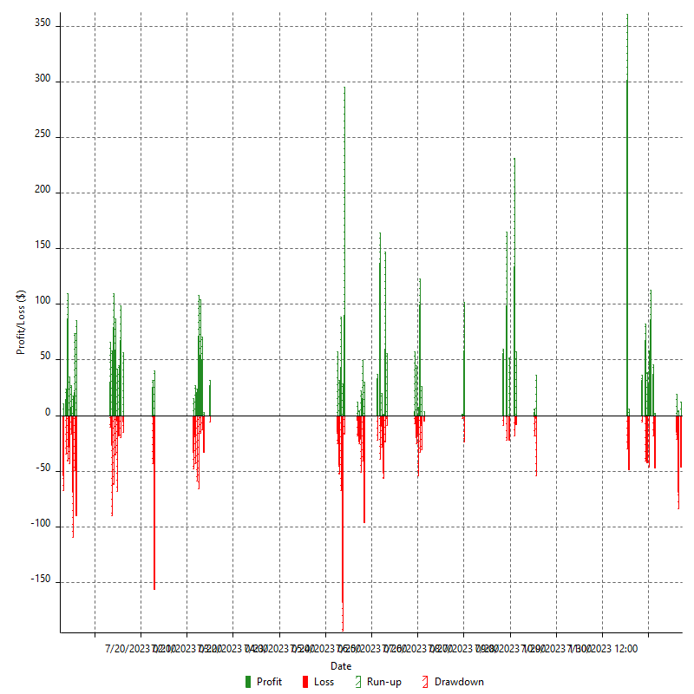

Hourly Returns & Drawdowns (%)



Hourly Accumulative Net Profit

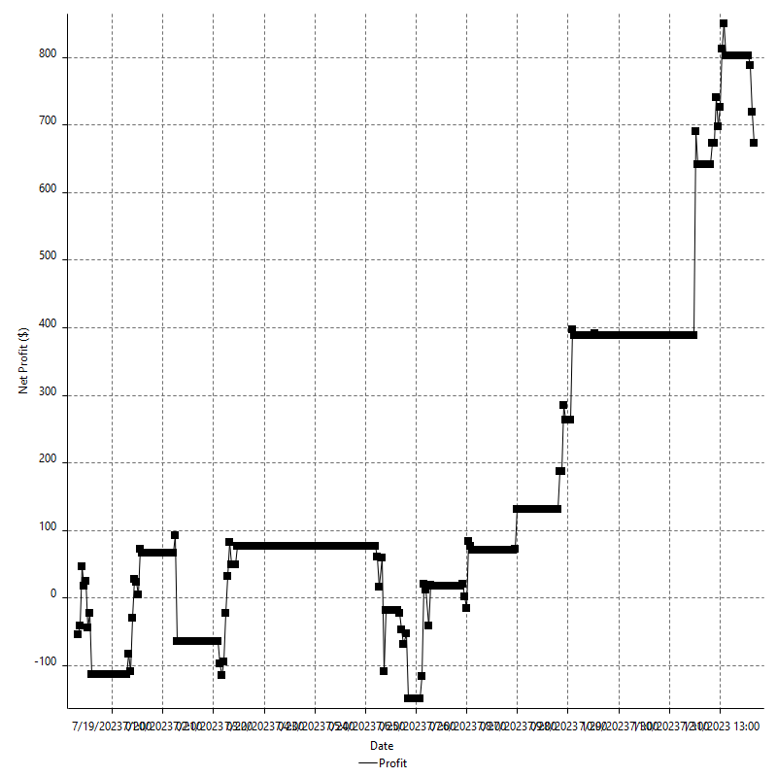

Daily Returns & Drawdowns

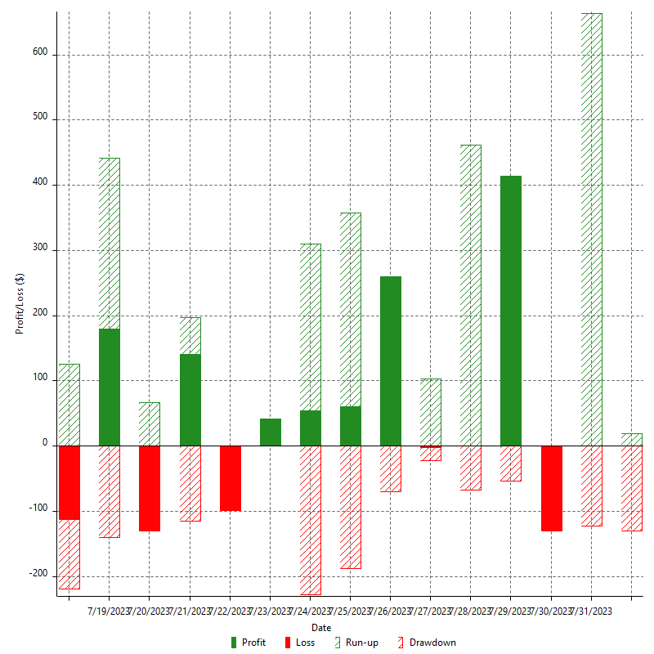

Daily Returns & Drawdowns (%)

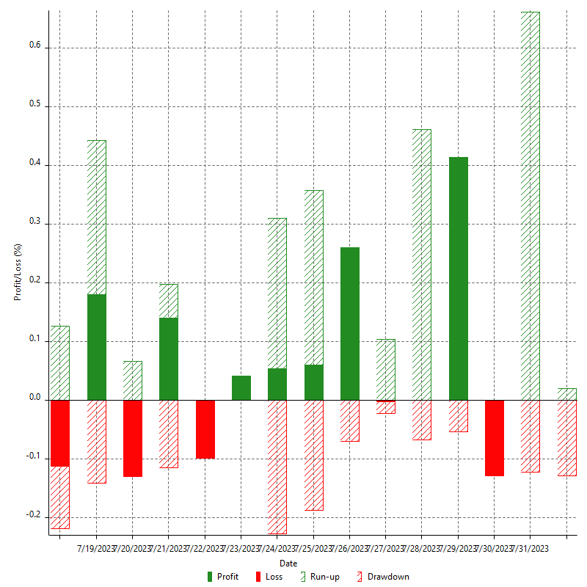

Daily Accumulative Net Profit

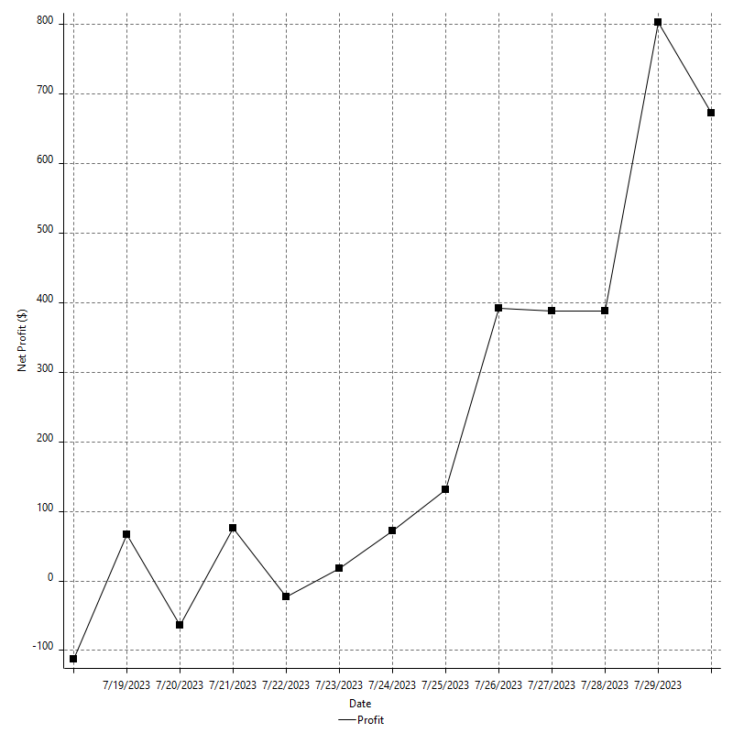

Weekly Returns & Drawdowns

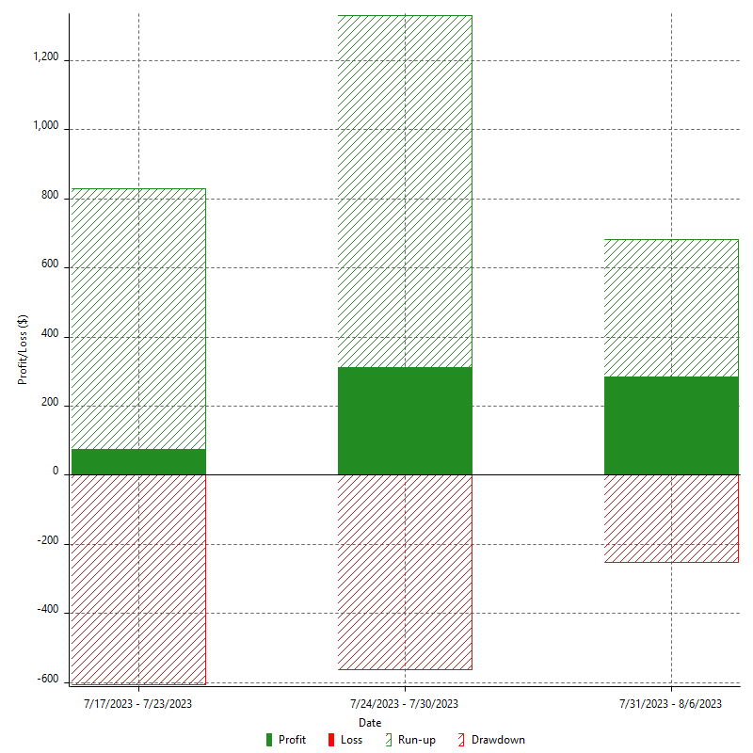

Weekly Returns & Drawdowns (%)



Weekly Accumulative Net Profit

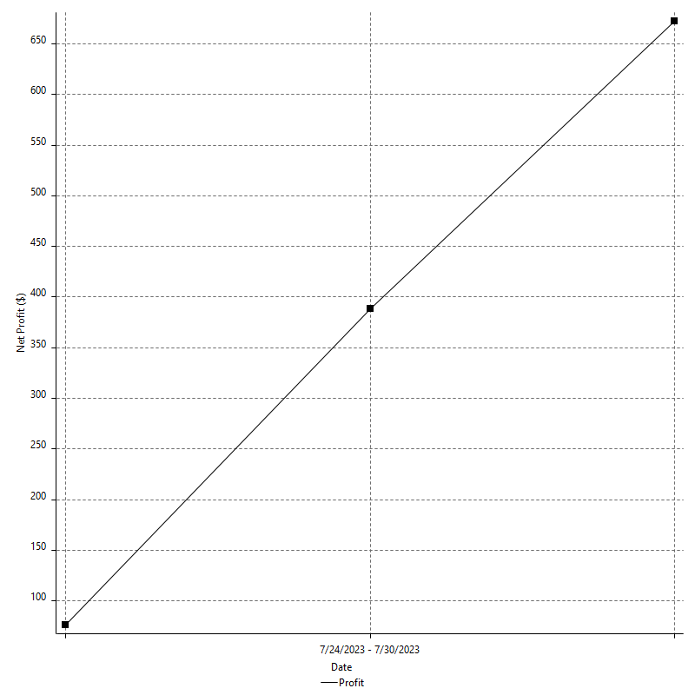

Monthly Returns & Drawdowns

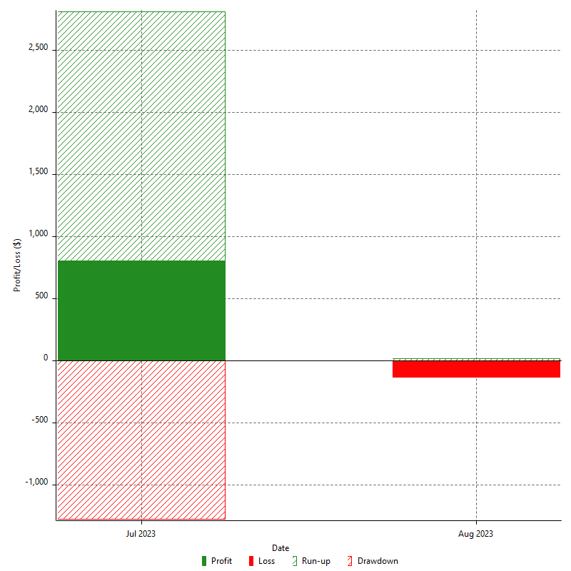

Monthly Returns & Drawdowns (%)

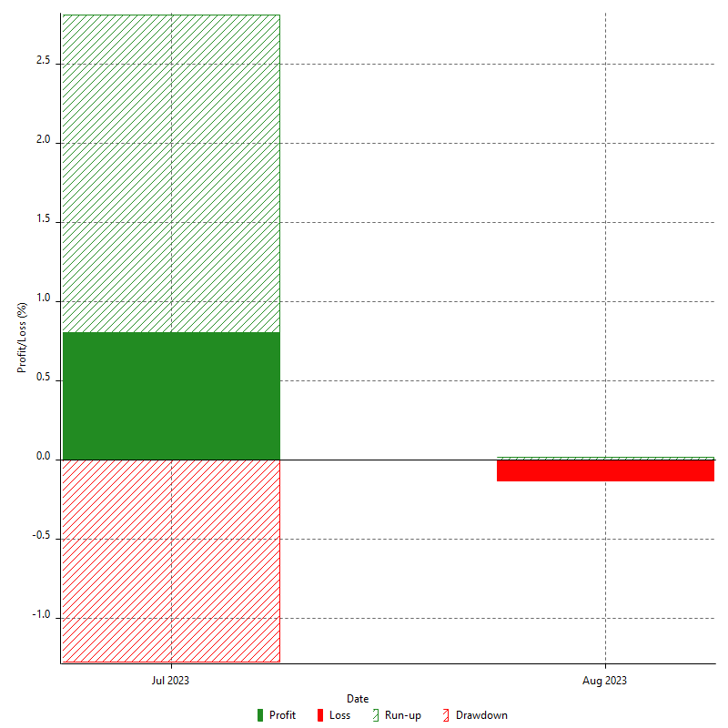

Monthly Accumulative Net Profit

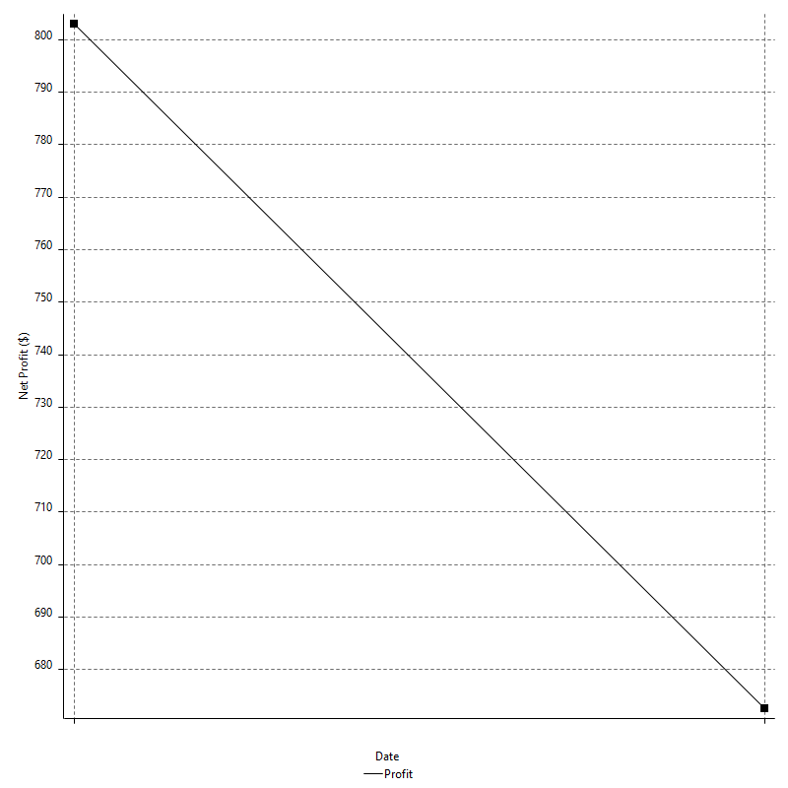

Average Profit By Month

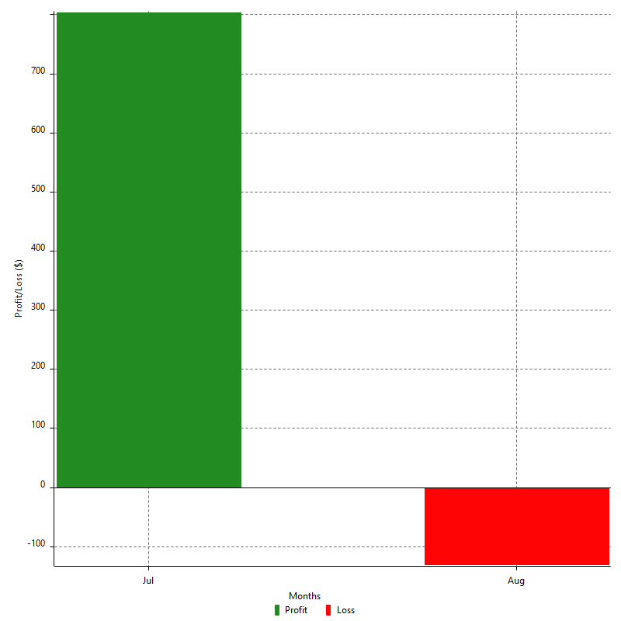

Annual Returns & Drawdowns

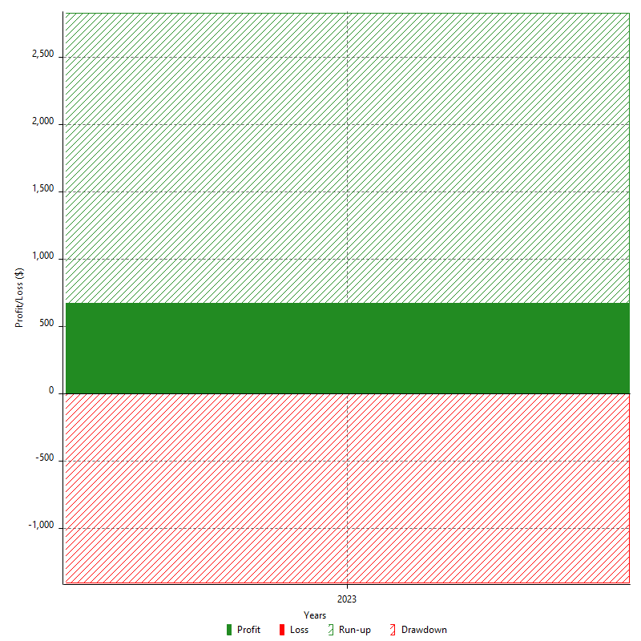

Annual Returns & Drawdowns (%)



Annual Accumulative Net Profit

